Basel
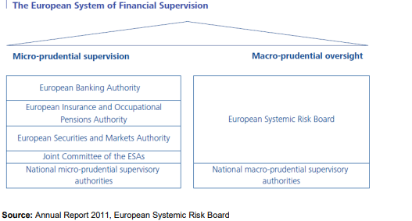
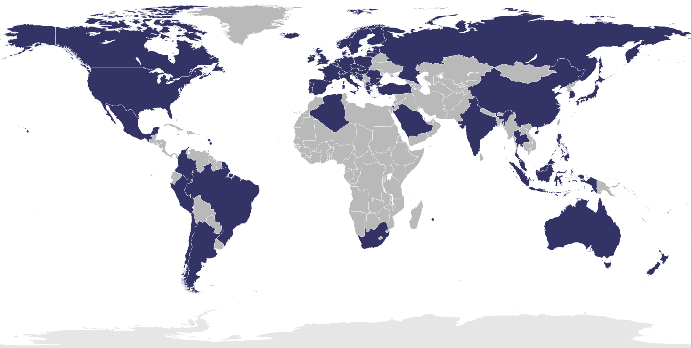
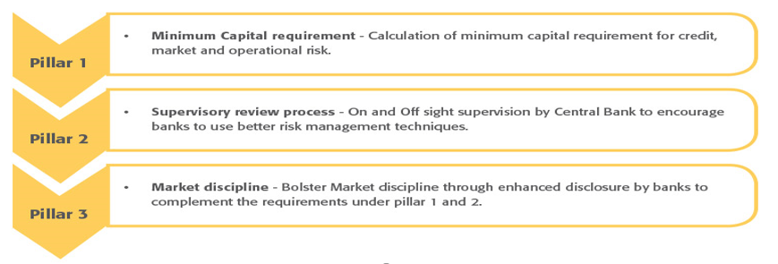

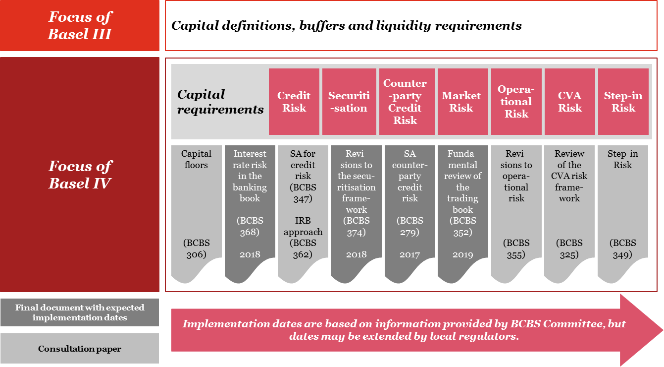

Source: PWC consultation paper

RWA
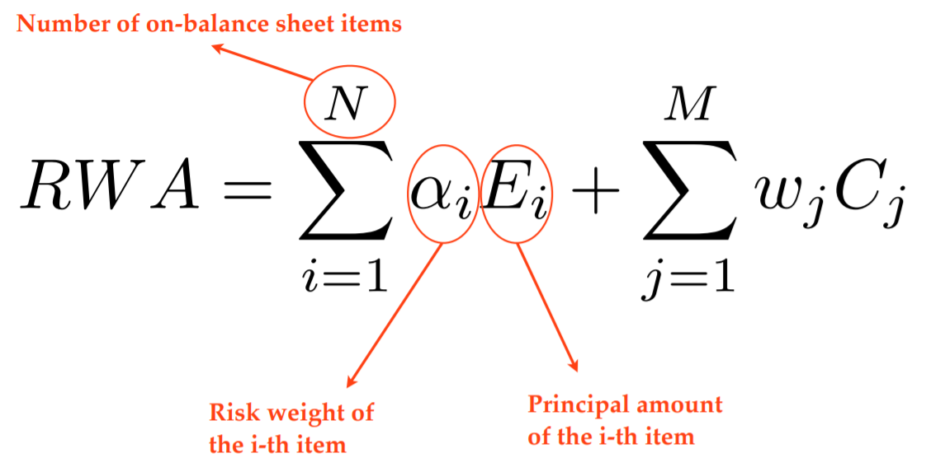
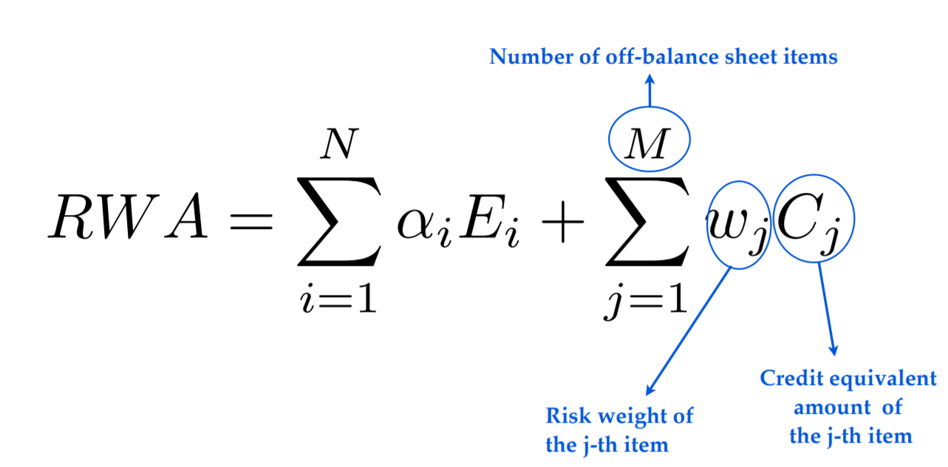

How are risk-weighted assets for credit risk calculated in Basel I and Basel II/III Standardized Approach

RWs
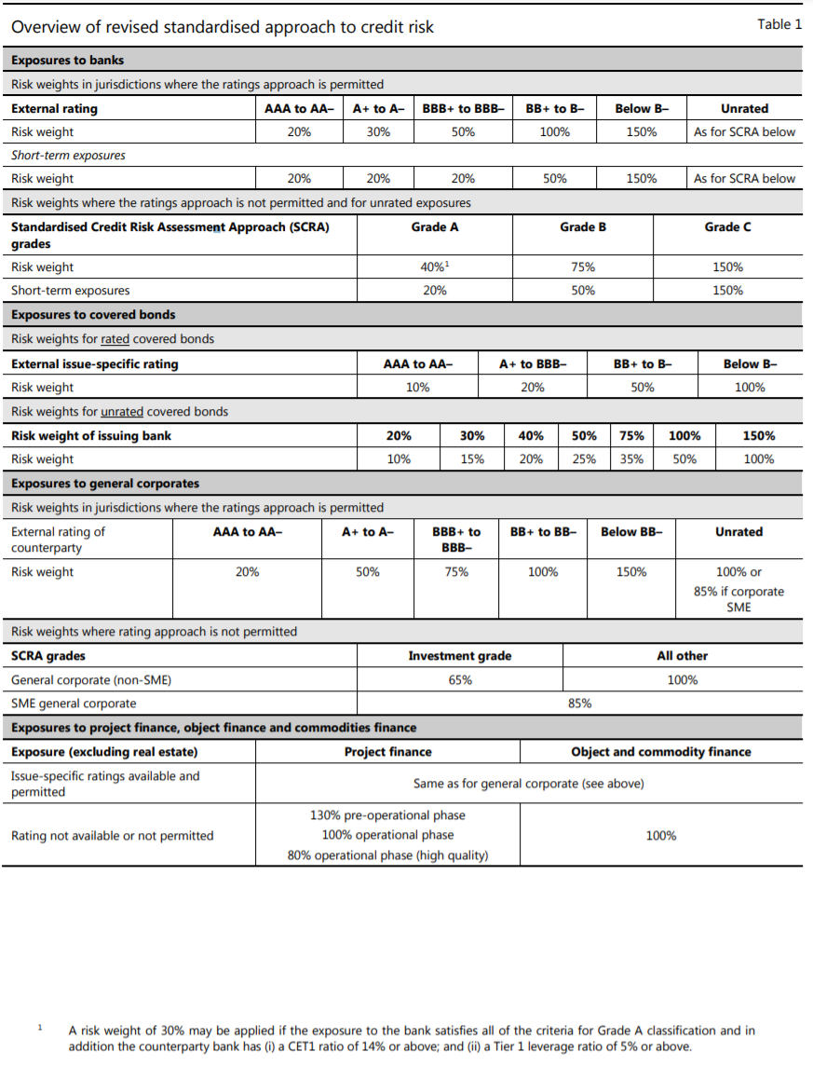
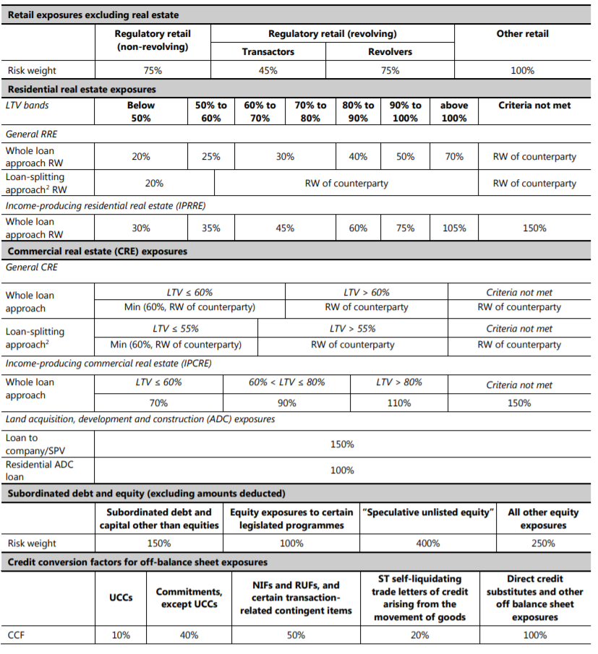
 |  | Basel II / III STA
Basel I |  | Rating | Risk weight
Counterparty | Risk weight |  | Sovereigns | Banks | Corporates
OECD central governments | 0% | AAA to AA- | 0% | 20% | 20%
Domestic public sector entities | 0%, 10%, 20% or 50% | A+ to A- | 20% | 50% | 50%
(excluding central governments) | Set by LCA* | BBB+ to BBB- | 50% | 50% | 100%
OECD banks and regulated firms | 20% | BB+ to BB- | 100% | 100% | 100%
Housing loans fully secured by residential property | 50% | B+ to B- | 100% | 100% | 100%
Counterparties in derivatives transactions | 50% | Below B- | 150% | 150% | 150%
Public sector corporations; non-OECD banks; private sector debt; all other assets | 100% | Unrated | 100% | 50% | 100%

* LCA - Local Competent Authority (i.e. central bank or other supervisory authority)

T1 Basel I
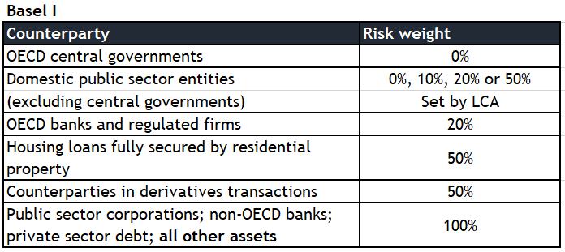
Basel I |  |  |  |  |  | Bank ABC

Item | Amount | RW | RWA
Loan to a large corporate (A+) | 50,000,000
Ministry of Finance bonds (domestic)* | 20,000,000
Deposit in the central bank | 15,000,000 |  |  |  |  |  |  |  |  | LCA set 0%
Russian railways bond (C+) | 45,000,000
Loan to Vodafone (unrated) | 52,000,000
Government T-bills | 5,000,000
Loan commitment (30% is drawn, A rating - CCF 20%) | 40,000,000
Eligible residential loan (secured) | 10,000,000
Counterparty for IRS hedging trade | 100,000,000
Loan to a regulated firm | 3,000,000
Loan to a bank (B+) | 50,000,000 |  |  | T1 CaR | Total CaR | T1 Capital | Total cap | T1 ratio | Total ratio
Total | 390,000,000 | 0% | 0 | 0 | 0 | 30,000,000 | 35,000,000 | #DIV/0! | #DIV/0!

*we assume reporting ccy to be the same to local ccy
CCF - Credit conversion factor

T2 Basel II STA
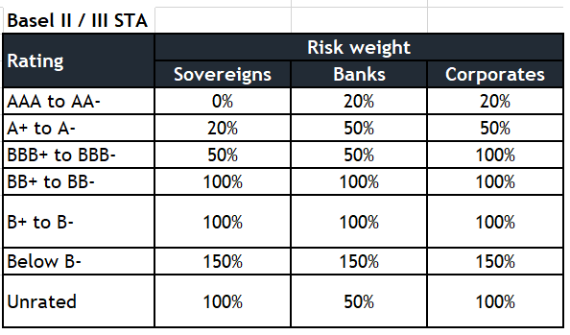
Basel II / III STA |  |  |  |  |  | Bank ABC

Item | Amount | RW | RWA
Loan to a large corporate (A+) | 50,000,000
Ministry of Finance bonds (domestic)* | 20,000,000
Deposit in the central bank | 15,000,000
Russian railways bond (C+) | 45,000,000
Loan to Vodafone (unrated) | 52,000,000
Government T-bills | 5,000,000
Loan commitment (30% is drawn, A rating - CCF 20%) | 40,000,000
Eligible residential loan (secured) | 10,000,000
Counterparty for IRS hedging trade | 100,000,000 |  |  |  | s
Loan to a regulated firm | 3,000,000
Loan to a bank (B+) | 50,000,000 |  |  | T1 CaR | Total CaR | T1 Capital | Total cap | T1 ratio | Total ratio
Total | 390,000,000 |  |  |  |  | 30,000,000 | 35,000,000

*we assume reporting ccy to be the same to local ccy

IRB formula_illustration
 | Capital requirements (% of EAD)
0.01% | 0.95%
0.02% | 1.37%
0.03% | 1.70%
0.04% | 1.99%
0.05% | 2.25%
0.06% | 2.48%
0.07% | 2.69%
0.08% | 2.89%
0.09% | 3.08%
0.10% | 3.25%
0.11% | 3.42%
0.12% | 3.57%
0.13% | 3.72%
0.14% | 3.87%
0.15% | 4.01%
0.16% | 4.14%
0.17% | 4.27%
0.18% | 4.39%
0.19% | 4.51%
0.20% | 4.62%
0.21% | 4.73%
0.22% | 4.84%
0.23% | 4.94%
0.24% | 5.04%
0.25% | 5.14%
0.26% | 5.24%
0.27% | 5.33%
0.28% | 5.42%
0.29% | 5.51%
0.30% | 5.60%
0.31% | 5.68%
0.32% | 5.76%
0.33% | 5.84%
0.34% | 5.92%
0.35% | 5.99%
0.36% | 6.07%
0.37% | 6.14%
0.38% | 6.21%
0.39% | 6.28%
0.40% | 6.35%
0.41% | 6.42%
0.42% | 6.48%
0.43% | 6.55%
0.44% | 6.61%
0.45% | 6.67%
0.46% | 6.73%
0.47% | 6.79%
0.48% | 6.85%
0.49% | 6.91%
0.50% | 6.96%
...
IRB Capital Requirements (corporate lending) as a funtion of PD | LGD | 45%
 | Maturity | 4.0

 |  | PD | Capital requirements (% of EAD) | Correlation | Maturity adjustment
 |  | 0.01% | 0.95% | 0.24 | 3.79
 |  | 0.02% | 1.37% | 0.24 | 3.11
 |  | 0.03% | 1.70% | 0.24 | 2.81
 |  | 0.04% | 1.99% | 0.24 | 2.63
 |  | 0.05% | 2.25% | 0.24 | 2.50
 |  | 0.06% | 2.48% | 0.24 | 2.41
 |  | 0.07% | 2.69% | 0.24 | 2.33
 |  | 0.08% | 2.89% | 0.24 | 2.27
 |  | 0.09% | 3.08% | 0.23 | 2.22
 |  | 0.10% | 3.25% | 0.23 | 2.18
 |  | 0.11% | 3.42% | 0.23 | 2.14
 |  | 0.12% | 3.57% | 0.23 | 2.10
 |  | 0.13% | 3.72% | 0.23 | 2.07
 |  | 0.14% | 3.87% | 0.23 | 2.05
 |  | 0.15% | 4.01% | 0.23 | 2.02
 |  | 0.16% | 4.14% | 0.23 | 2.00
 |  | 0.17% | 4.27% | 0.23 | 1.98
 |  | 0.18% | 4.39% | 0.23 | 1.96
 |  | 0.19% | 4.51% | 0.23 | 1.94
 |  | 0.20% | 4.62% | 0.23 | 1.92
 |  | 0.21% | 4.73% | 0.23 | 1.91
 |  | 0.22% | 4.84% | 0.23 | 1.89
 |  | 0.23% | 4.94% | 0.23 | 1.88
 |  | 0.24% | 5.04% | 0.23 | 1.87
 |  | 0.25% | 5.14% | 0.23 | 1.85
 |  | 0.26% | 5.24% | 0.23 | 1.84
 |  | 0.27% | 5.33% | 0.22 | 1.83
 |  | 0.28% | 5.42% | 0.22 | 1.82
 |  | 0.29% | 5.51% | 0.22 | 1.81
 |  | 0.30% | 5.60% | 0.22 | 1.80
 |  | 0.31% | 5.68% | 0.22 | 1.79
 |  | 0.32% | 5.76% | 0.22 | 1.78
 |  | 0.33% | 5.84% | 0.22 | 1.78
 |  | 0.34% | 5.92% | 0.22 | 1.77
 |  | 0.35% | 5.99% | 0.22 | 1.76
 |  | 0.36% | 6.07% | 0.22 | 1.75
 |  | 0.37% | 6.14% | 0.22 | 1.74
 |  | 0.38% | 6.21% | 0.22 | 1.74
 |  | 0.39% | 6.28% | 0.22 | 1.73
 |  | 0.40% | 6.35% | 0.22 | 1.72
 |  | 0.41% | 6.42% | 0.22 | 1.72
 |  | 0.42% | 6.48% | 0.22 | 1.71
 |  | 0.43% | 6.55% | 0.22 | 1.71
 |  | 0.44% | 6.61% | 0.22 | 1.70
 |  | 0.45% | 6.67% | 0.22 | 1.69
 |  | 0.46% | 6.73% | 0.22 | 1.69
 |  | 0.47% | 6.79% | 0.21 | 1.68
 |  | 0.48% | 6.85% | 0.21 | 1.68
 |  | 0.49% | 6.91% | 0.21 | 1.67
 |  | 0.50% | 6.96% | 0.21 | 1.67
 |  | 0.51% | 7.02% | 0.21 | 1.66
 |  | 0.52% | 7.07% | 0.21 | 1.66
 |  | 0.53% | 7.13% | 0.21 | 1.66
 |  | 0.54% | 7.18% | 0.21 | 1.65
 |  | 0.55% | 7.23% | 0.21 | 1.65
 |  | 0.56% | 7.28% | 0.21 | 1.64
 |  | 0.57% | 7.33% | 0.21 | 1.64
 |  | 0.58% | 7.38% | 0.21 | 1.63
 |  | 0.59% | 7.43% | 0.21 | 1.63
 |  | 0.60% | 7.48% | 0.21 | 1.63
 |  | 0.61% | 7.52% | 0.21 | 1.62
 |  | 0.62% | 7.57% | 0.21 | 1.62
 |  | 0.63% | 7.61% | 0.21 | 1.62
 |  | 0.64% | 7.66% | 0.21 | 1.61
 |  | 0.65% | 7.70% | 0.21 | 1.61
 |  | 0.66% | 7.75% | 0.21 | 1.61
 |  | 0.67% | 7.79% | 0.21 | 1.60
 |  | 0.68% | 7.83% | 0.21 | 1.60
 |  | 0.69% | 7.87% | 0.20 | 1.60
 |  | 0.70% | 7.91% | 0.20 | 1.59
 |  | 0.71% | 7.95% | 0.20 | 1.59
 |  | 0.72% | 7.99% | 0.20 | 1.59
 |  | 0.73% | 8.03% | 0.20 | 1.58
 |  | 0.74% | 8.07% | 0.20 | 1.58
 |  | 0.75% | 8.11% | 0.20 | 1.58
 |  | 0.76% | 8.14% | 0.20 | 1.57
 |  | 0.77% | 8.18% | 0.20 | 1.57
 |  | 0.78% | 8.22% | 0.20 | 1.57
 |  | 0.79% | 8.25% | 0.20 | 1.57
 |  | 0.80% | 8.29% | 0.20 | 1.56
 |  | 0.81% | 8.32% | 0.20 | 1.56
 |  | 0.82% | 8.36% | 0.20 | 1.56
 |  | 0.83% | 8.39% | 0.20 | 1.56
 |  | 0.84% | 8.42% | 0.20 | 1.55
 |  | 0.85% | 8.46% | 0.20 | 1.55
 |  | 0.86% | 8.49% | 0.20 | 1.55
 |  | 0.87% | 8.52% | 0.20 | 1.55
 |  | 0.88% | 8.55% | 0.20 | 1.54
 |  | 0.89% | 8.59% | 0.20 | 1.54
 |  | 0.90% | 8.62% | 0.20 | 1.54
 |  | 0.91% | 8.65% | 0.20 | 1.54
 |  | 0.92% | 8.68% | 0.20 | 1.54
 |  | 0.93% | 8.71% | 0.20 | 1.53
 |  | 0.94% | 8.74% | 0.20 | 1.53
 |  | 0.95% | 8.77% | 0.19 | 1.53
 |  | 0.96% | 8.80% | 0.19 | 1.53
 |  | 0.97% | 8.82% | 0.19 | 1.53
 |  | 0.98% | 8.85% | 0.19 | 1.52
 |  | 0.99% | 8.88% | 0.19 | 1.52
 |  | 1.00% | 8.91% | 0.19 | 1.52
 |  | 1.01% | 8.94% | 0.19 | 1.52
 |  | 1.02% | 8.96% | 0.19 | 1.52
 |  | 1.03% | 8.99% | 0.19 | 1.51
 |  | 1.04% | 9.02% | 0.19 | 1.51
 |  | 1.05% | 9.04% | 0.19 | 1.51
 |  | 1.06% | 9.07% | 0.19 | 1.51
 |  | 1.07% | 9.09% | 0.19 | 1.51
 |  | 1.08% | 9.12% | 0.19 | 1.50
 |  | 1.09% | 9.14% | 0.19 | 1.50
 |  | 1.10% | 9.17% | 0.19 | 1.50
 |  | 1.11% | 9.19% | 0.19 | 1.50
 |  | 1.12% | 9.22% | 0.19 | 1.50
 |  | 1.13% | 9.24% | 0.19 | 1.50
 |  | 1.14% | 9.26% | 0.19 | 1.49
 |  | 1.15% | 9.29% | 0.19 | 1.49
 |  | 1.16% | 9.31% | 0.19 | 1.49
 |  | 1.17% | 9.33% | 0.19 | 1.49
 |  | 1.18% | 9.36% | 0.19 | 1.49
 |  | 1.19% | 9.38% | 0.19 | 1.49
 |  | 1.20% | 9.40% | 0.19 | 1.49
 |  | 1.21% | 9.42% | 0.19 | 1.48
 |  | 1.22% | 9.45% | 0.19 | 1.48
 |  | 1.23% | 9.47% | 0.18 | 1.48
 |  | 1.24% | 9.49% | 0.18 | 1.48
 |  | 1.25% | 9.51% | 0.18 | 1.48
 |  | 1.26% | 9.53% | 0.18 | 1.48
 |  | 1.27% | 9.55% | 0.18 | 1.48
 |  | 1.28% | 9.57% | 0.18 | 1.47
 |  | 1.29% | 9.59% | 0.18 | 1.47
 |  | 1.30% | 9.61% | 0.18 | 1.47
 |  | 1.31% | 9.63% | 0.18 | 1.47
 |  | 1.32% | 9.65% | 0.18 | 1.47
 |  | 1.33% | 9.67% | 0.18 | 1.47
 |  | 1.34% | 9.69% | 0.18 | 1.47
 |  | 1.35% | 9.71% | 0.18 | 1.46
 |  | 1.36% | 9.73% | 0.18 | 1.46
 |  | 1.37% | 9.75% | 0.18 | 1.46
 |  | 1.38% | 9.77% | 0.18 | 1.46
 |  | 1.39% | 9.79% | 0.18 | 1.46
 |  | 1.40% | 9.81% | 0.18 | 1.46
 |  | 1.41% | 9.83% | 0.18 | 1.46
 |  | 1.42% | 9.85% | 0.18 | 1.46
 |  | 1.43% | 9.86% | 0.18 | 1.45
 |  | 1.44% | 9.88% | 0.18 | 1.45
 |  | 1.45% | 9.90% | 0.18 | 1.45
 |  | 1.46% | 9.92% | 0.18 | 1.45
 |  | 1.47% | 9.94% | 0.18 | 1.45
 |  | 1.48% | 9.95% | 0.18 | 1.45
 |  | 1.49% | 9.97% | 0.18 | 1.45
 |  | 1.50% | 9.99% | 0.18 | 1.45
 |  | 1.51% | 10.00% | 0.18 | 1.44
 |  | 1.52% | 10.02% | 0.18 | 1.44
 |  | 1.53% | 10.04% | 0.18 | 1.44
 |  | 1.54% | 10.05% | 0.18 | 1.44
 |  | 1.55% | 10.07% | 0.18 | 1.44
 |  | 1.56% | 10.09% | 0.18 | 1.44
 |  | 1.57% | 10.10% | 0.17 | 1.44
 |  | 1.58% | 10.12% | 0.17 | 1.44
 |  | 1.59% | 10.14% | 0.17 | 1.44
 |  | 1.60% | 10.15% | 0.17 | 1.43
 |  | 1.61% | 10.17% | 0.17 | 1.43
 |  | 1.62% | 10.18% | 0.17 | 1.43
 |  | 1.63% | 10.20% | 0.17 | 1.43
 |  | 1.64% | 10.22% | 0.17 | 1.43
 |  | 1.65% | 10.23% | 0.17 | 1.43
 |  | 1.66% | 10.25% | 0.17 | 1.43
 |  | 1.67% | 10.26% | 0.17 | 1.43
 |  | 1.68% | 10.28% | 0.17 | 1.43
 |  | 1.69% | 10.29% | 0.17 | 1.43
 |  | 1.70% | 10.31% | 0.17 | 1.42
 |  | 1.71% | 10.32% | 0.17 | 1.42
 |  | 1.72% | 10.34% | 0.17 | 1.42
 |  | 1.73% | 10.35% | 0.17 | 1.42
 |  | 1.74% | 10.37% | 0.17 | 1.42
 |  | 1.75% | 10.38% | 0.17 | 1.42
 |  | 1.76% | 10.39% | 0.17 | 1.42
 |  | 1.77% | 10.41% | 0.17 | 1.42
 |  | 1.78% | 10.42% | 0.17 | 1.42
 |  | 1.79% | 10.44% | 0.17 | 1.42
 |  | 1.80% | 10.45% | 0.17 | 1.42
 |  | 1.81% | 10.46% | 0.17 | 1.41
 |  | 1.82% | 10.48% | 0.17 | 1.41
 |  | 1.83% | 10.49% | 0.17 | 1.41
 |  | 1.84% | 10.51% | 0.17 | 1.41
 |  | 1.85% | 10.52% | 0.17 | 1.41
 |  | 1.86% | 10.53% | 0.17 | 1.41
 |  | 1.87% | 10.55% | 0.17 | 1.41
 |  | 1.88% | 10.56% | 0.17 | 1.41
 |  | 1.89% | 10.57% | 0.17 | 1.41
 |  | 1.90% | 10.59% | 0.17 | 1.41
 |  | 1.91% | 10.60% | 0.17 | 1.41
 |  | 1.92% | 10.61% | 0.17 | 1.40
 |  | 1.93% | 10.63% | 0.17 | 1.40
 |  | 1.94% | 10.64% | 0.17 | 1.40
 |  | 1.95% | 10.65% | 0.17 | 1.40
 |  | 1.96% | 10.66% | 0.17 | 1.40
 |  | 1.97% | 10.68% | 0.16 | 1.40
 |  | 1.98% | 10.69% | 0.16 | 1.40
 |  | 1.99% | 10.70% | 0.16 | 1.40
 |  | 2.00% | 10.72% | 0.16 | 1.40
 |  | 2.01% | 10.73% | 0.16 | 1.40
 |  | 2.02% | 10.74% | 0.16 | 1.40
 |  | 2.03% | 10.75% | 0.16 | 1.40
 |  | 2.04% | 10.76% | 0.16 | 1.40
 |  | 2.05% | 10.78% | 0.16 | 1.39
 |  | 2.06% | 10.79% | 0.16 | 1.39
 |  | 2.07% | 10.80% | 0.16 | 1.39
 |  | 2.08% | 10.81% | 0.16 | 1.39
 |  | 2.09% | 10.83% | 0.16 | 1.39
 |  | 2.10% | 10.84% | 0.16 | 1.39
 |  | 2.11% | 10.85% | 0.16 | 1.39
 |  | 2.12% | 10.86% | 0.16 | 1.39
 |  | 2.13% | 10.87% | 0.16 | 1.39
 |  | 2.14% | 10.88% | 0.16 | 1.39
 |  | 2.15% | 10.90% | 0.16 | 1.39
 |  | 2.16% | 10.91% | 0.16 | 1.39
 |  | 2.17% | 10.92% | 0.16 | 1.39
 |  | 2.18% | 10.93% | 0.16 | 1.39
 |  | 2.19% | 10.94% | 0.16 | 1.38
 |  | 2.20% | 10.95% | 0.16 | 1.38
 |  | 2.21% | 10.97% | 0.16 | 1.38
 |  | 2.22% | 10.98% | 0.16 | 1.38
 |  | 2.23% | 10.99% | 0.16 | 1.38
 |  | 2.24% | 11.00% | 0.16 | 1.38
 |  | 2.25% | 11.01% | 0.16 | 1.38
 |  | 2.26% | 11.02% | 0.16 | 1.38
 |  | 2.27% | 11.03% | 0.16 | 1.38
 |  | 2.28% | 11.04% | 0.16 | 1.38
 |  | 2.29% | 11.06% | 0.16 | 1.38
 |  | 2.30% | 11.07% | 0.16 | 1.38
 |  | 2.31% | 11.08% | 0.16 | 1.38
 |  | 2.32% | 11.09% | 0.16 | 1.38
 |  | 2.33% | 11.10% | 0.16 | 1.38
 |  | 2.34% | 11.11% | 0.16 | 1.37
 |  | 2.35% | 11.12% | 0.16 | 1.37
 |  | 2.36% | 11.13% | 0.16 | 1.37
 |  | 2.37% | 11.14% | 0.16 | 1.37
 |  | 2.38% | 11.15% | 0.16 | 1.37
 |  | 2.39% | 11.16% | 0.16 | 1.37
 |  | 2.40% | 11.17% | 0.16 | 1.37
 |  | 2.41% | 11.19% | 0.16 | 1.37
 |  | 2.42% | 11.20% | 0.16 | 1.37
 |  | 2.43% | 11.21% | 0.16 | 1.37
 |  | 2.44% | 11.22% | 0.16 | 1.37
 |  | 2.45% | 11.23% | 0.16 | 1.37
 |  | 2.46% | 11.24% | 0.16 | 1.37
 |  | 2.47% | 11.25% | 0.15 | 1.37
 |  | 2.48% | 11.26% | 0.15 | 1.37
 |  | 2.49% | 11.27% | 0.15 | 1.37
 |  | 2.50% | 11.28% | 0.15 | 1.36
 |  | 2.51% | 11.29% | 0.15 | 1.36
 |  | 2.52% | 11.30% | 0.15 | 1.36
 |  | 2.53% | 11.31% | 0.15 | 1.36
 |  | 2.54% | 11.32% | 0.15 | 1.36
 |  | 2.55% | 11.33% | 0.15 | 1.36
 |  | 2.56% | 11.34% | 0.15 | 1.36
 |  | 2.57% | 11.35% | 0.15 | 1.36
 |  | 2.58% | 11.36% | 0.15 | 1.36
 |  | 2.59% | 11.37% | 0.15 | 1.36
 |  | 2.60% | 11.38% | 0.15 | 1.36
 |  | 2.61% | 11.39% | 0.15 | 1.36
 |  | 2.62% | 11.40% | 0.15 | 1.36
 |  | 2.63% | 11.41% | 0.15 | 1.36
 |  | 2.64% | 11.42% | 0.15 | 1.36
 |  | 2.65% | 11.43% | 0.15 | 1.36
 |  | 2.66% | 11.44% | 0.15 | 1.36
 |  | 2.67% | 11.45% | 0.15 | 1.35
 |  | 2.68% | 11.46% | 0.15 | 1.35
 |  | 2.69% | 11.47% | 0.15 | 1.35
 |  | 2.70% | 11.48% | 0.15 | 1.35
 |  | 2.71% | 11.49% | 0.15 | 1.35
 |  | 2.72% | 11.50% | 0.15 | 1.35
 |  | 2.73% | 11.51% | 0.15 | 1.35
 |  | 2.74% | 11.52% | 0.15 | 1.35
 |  | 2.75% | 11.53% | 0.15 | 1.35
 |  | 2.76% | 11.54% | 0.15 | 1.35
 |  | 2.77% | 11.55% | 0.15 | 1.35
 |  | 2.78% | 11.56% | 0.15 | 1.35
 |  | 2.79% | 11.57% | 0.15 | 1.35
 |  | 2.80% | 11.58% | 0.15 | 1.35
 |  | 2.81% | 11.58% | 0.15 | 1.35
 |  | 2.82% | 11.59% | 0.15 | 1.35
 |  | 2.83% | 11.60% | 0.15 | 1.35
 |  | 2.84% | 11.61% | 0.15 | 1.35
 |  | 2.85% | 11.62% | 0.15 | 1.35
 |  | 2.86% | 11.63% | 0.15 | 1.35
 |  | 2.87% | 11.64% | 0.15 | 1.34
 |  | 2.88% | 11.65% | 0.15 | 1.34
 |  | 2.89% | 11.66% | 0.15 | 1.34
 |  | 2.90% | 11.67% | 0.15 | 1.34
 |  | 2.91% | 11.68% | 0.15 | 1.34
 |  | 2.92% | 11.69% | 0.15 | 1.34
 |  | 2.93% | 11.70% | 0.15 | 1.34
 |  | 2.94% | 11.71% | 0.15 | 1.34
 |  | 2.95% | 11.72% | 0.15 | 1.34
 |  | 2.96% | 11.73% | 0.15 | 1.34
 |  | 2.97% | 11.73% | 0.15 | 1.34
 |  | 2.98% | 11.74% | 0.15 | 1.34
 |  | 2.99% | 11.75% | 0.15 | 1.34
 |  | 3.00% | 11.76% | 0.15 | 1.34
 |  | 3.01% | 11.77% | 0.15 | 1.34
 |  | 3.02% | 11.78% | 0.15 | 1.34
 |  | 3.03% | 11.79% | 0.15 | 1.34
 |  | 3.04% | 11.80% | 0.15 | 1.34
 |  | 3.05% | 11.81% | 0.15 | 1.34
 |  | 3.06% | 11.82% | 0.15 | 1.34
 |  | 3.07% | 11.83% | 0.15 | 1.34
 |  | 3.08% | 11.83% | 0.15 | 1.33
 |  | 3.09% | 11.84% | 0.15 | 1.33
 |  | 3.10% | 11.85% | 0.15 | 1.33
 |  | 3.11% | 11.86% | 0.15 | 1.33
 |  | 3.12% | 11.87% | 0.15 | 1.33
 |  | 3.13% | 11.88% | 0.15 | 1.33
 |  | 3.14% | 11.89% | 0.14 | 1.33
 |  | 3.15% | 11.90% | 0.14 | 1.33
 |  | 3.16% | 11.91% | 0.14 | 1.33
 |  | 3.17% | 11.92% | 0.14 | 1.33
 |  | 3.18% | 11.92% | 0.14 | 1.33
 |  | 3.19% | 11.93% | 0.14 | 1.33
 |  | 3.20% | 11.94% | 0.14 | 1.33
 |  | 3.21% | 11.95% | 0.14 | 1.33
 |  | 3.22% | 11.96% | 0.14 | 1.33
 |  | 3.23% | 11.97% | 0.14 | 1.33
 |  | 3.24% | 11.98% | 0.14 | 1.33
 |  | 3.25% | 11.99% | 0.14 | 1.33
 |  | 3.26% | 12.00% | 0.14 | 1.33
 |  | 3.27% | 12.00% | 0.14 | 1.33
 |  | 3.28% | 12.01% | 0.14 | 1.33
 |  | 3.29% | 12.02% | 0.14 | 1.33
 |  | 3.30% | 12.03% | 0.14 | 1.33
 |  | 3.31% | 12.04% | 0.14 | 1.32
 |  | 3.32% | 12.05% | 0.14 | 1.32
 |  | 3.33% | 12.06% | 0.14 | 1.32
 |  | 3.34% | 12.07% | 0.14 | 1.32
 |  | 3.35% | 12.07% | 0.14 | 1.32
 |  | 3.36% | 12.08% | 0.14 | 1.32
 |  | 3.37% | 12.09% | 0.14 | 1.32
 |  | 3.38% | 12.10% | 0.14 | 1.32
 |  | 3.39% | 12.11% | 0.14 | 1.32
 |  | 3.40% | 12.12% | 0.14 | 1.32
 |  | 3.41% | 12.13% | 0.14 | 1.32
 |  | 3.42% | 12.13% | 0.14 | 1.32
 |  | 3.43% | 12.14% | 0.14 | 1.32
 |  | 3.44% | 12.15% | 0.14 | 1.32
 |  | 3.45% | 12.16% | 0.14 | 1.32
 |  | 3.46% | 12.17% | 0.14 | 1.32
 |  | 3.47% | 12.18% | 0.14 | 1.32
 |  | 3.48% | 12.19% | 0.14 | 1.32
 |  | 3.49% | 12.19% | 0.14 | 1.32
 |  | 3.50% | 12.20% | 0.14 | 1.32
 |  | 3.51% | 12.21% | 0.14 | 1.32
 |  | 3.52% | 12.22% | 0.14 | 1.32
 |  | 3.53% | 12.23% | 0.14 | 1.32
 |  | 3.54% | 12.24% | 0.14 | 1.32
 |  | 3.55% | 12.25% | 0.14 | 1.32
 |  | 3.56% | 12.25% | 0.14 | 1.32
 |  | 3.57% | 12.26% | 0.14 | 1.31
 |  | 3.58% | 12.27% | 0.14 | 1.31
 |  | 3.59% | 12.28% | 0.14 | 1.31
 |  | 3.60% | 12.29% | 0.14 | 1.31
 |  | 3.61% | 12.30% | 0.14 | 1.31
 |  | 3.62% | 12.31% | 0.14 | 1.31
 |  | 3.63% | 12.31% | 0.14 | 1.31
 |  | 3.64% | 12.32% | 0.14 | 1.31
 |  | 3.65% | 12.33% | 0.14 | 1.31
 |  | 3.66% | 12.34% | 0.14 | 1.31
 |  | 3.67% | 12.35% | 0.14 | 1.31
 |  | 3.68% | 12.36% | 0.14 | 1.31
 |  | 3.69% | 12.36% | 0.14 | 1.31
 |  | 3.70% | 12.37% | 0.14 | 1.31
 |  | 3.71% | 12.38% | 0.14 | 1.31
 |  | 3.72% | 12.39% | 0.14 | 1.31
 |  | 3.73% | 12.40% | 0.14 | 1.31
 |  | 3.74% | 12.41% | 0.14 | 1.31
 |  | 3.75% | 12.41% | 0.14 | 1.31
 |  | 3.76% | 12.42% | 0.14 | 1.31
 |  | 3.77% | 12.43% | 0.14 | 1.31
 |  | 3.78% | 12.44% | 0.14 | 1.31
 |  | 3.79% | 12.45% | 0.14 | 1.31
 |  | 3.80% | 12.46% | 0.14 | 1.31
 |  | 3.81% | 12.47% | 0.14 | 1.31
 |  | 3.82% | 12.47% | 0.14 | 1.31
 |  | 3.83% | 12.48% | 0.14 | 1.31
 |  | 3.84% | 12.49% | 0.14 | 1.31
 |  | 3.85% | 12.50% | 0.14 | 1.30
 |  | 3.86% | 12.51% | 0.14 | 1.30
 |  | 3.87% | 12.51% | 0.14 | 1.30
 |  | 3.88% | 12.52% | 0.14 | 1.30
 |  | 3.89% | 12.53% | 0.14 | 1.30
 |  | 3.90% | 12.54% | 0.14 | 1.30
 |  | 3.91% | 12.55% | 0.14 | 1.30
 |  | 3.92% | 12.56% | 0.14 | 1.30
 |  | 3.93% | 12.56% | 0.14 | 1.30
 |  | 3.94% | 12.57% | 0.14 | 1.30
 |  | 3.95% | 12.58% | 0.14 | 1.30
 |  | 3.96% | 12.59% | 0.14 | 1.30
 |  | 3.97% | 12.60% | 0.14 | 1.30
 |  | 3.98% | 12.61% | 0.14 | 1.30
 |  | 3.99% | 12.61% | 0.14 | 1.30
 |  | 4.00% | 12.62% | 0.14 | 1.30
 |  | 4.01% | 12.63% | 0.14 | 1.30
 |  | 4.02% | 12.64% | 0.14 | 1.30
 |  | 4.03% | 12.65% | 0.14 | 1.30
 |  | 4.04% | 12.66% | 0.14 | 1.30
 |  | 4.05% | 12.66% | 0.14 | 1.30
 |  | 4.06% | 12.67% | 0.14 | 1.30
 |  | 4.07% | 12.68% | 0.14 | 1.30
 |  | 4.08% | 12.69% | 0.14 | 1.30
 |  | 4.09% | 12.70% | 0.14 | 1.30
 |  | 4.10% | 12.70% | 0.14 | 1.30
 |  | 4.11% | 12.71% | 0.14 | 1.30
 |  | 4.12% | 12.72% | 0.14 | 1.30
 |  | 4.13% | 12.73% | 0.14 | 1.30
 |  | 4.14% | 12.74% | 0.14 | 1.30
 |  | 4.15% | 12.75% | 0.14 | 1.30
 |  | 4.16% | 12.75% | 0.13 | 1.29
 |  | 4.17% | 12.76% | 0.13 | 1.29
 |  | 4.18% | 12.77% | 0.13 | 1.29
 |  | 4.19% | 12.78% | 0.13 | 1.29
 |  | 4.20% | 12.79% | 0.13 | 1.29
 |  | 4.21% | 12.79% | 0.13 | 1.29
 |  | 4.22% | 12.80% | 0.13 | 1.29
 |  | 4.23% | 12.81% | 0.13 | 1.29
 |  | 4.24% | 12.82% | 0.13 | 1.29
 |  | 4.25% | 12.83% | 0.13 | 1.29
 |  | 4.26% | 12.83% | 0.13 | 1.29
 |  | 4.27% | 12.84% | 0.13 | 1.29
 |  | 4.28% | 12.85% | 0.13 | 1.29
 |  | 4.29% | 12.86% | 0.13 | 1.29
 |  | 4.30% | 12.87% | 0.13 | 1.29
 |  | 4.31% | 12.88% | 0.13 | 1.29
 |  | 4.32% | 12.88% | 0.13 | 1.29
 |  | 4.33% | 12.89% | 0.13 | 1.29
 |  | 4.34% | 12.90% | 0.13 | 1.29
 |  | 4.35% | 12.91% | 0.13 | 1.29
 |  | 4.36% | 12.92% | 0.13 | 1.29
 |  | 4.37% | 12.92% | 0.13 | 1.29
 |  | 4.38% | 12.93% | 0.13 | 1.29
 |  | 4.39% | 12.94% | 0.13 | 1.29
 |  | 4.40% | 12.95% | 0.13 | 1.29
 |  | 4.41% | 12.96% | 0.13 | 1.29
 |  | 4.42% | 12.96% | 0.13 | 1.29
 |  | 4.43% | 12.97% | 0.13 | 1.29
 |  | 4.44% | 12.98% | 0.13 | 1.29
 |  | 4.45% | 12.99% | 0.13 | 1.29
 |  | 4.46% | 13.00% | 0.13 | 1.29
 |  | 4.47% | 13.00% | 0.13 | 1.29
 |  | 4.48% | 13.01% | 0.13 | 1.29
 |  | 4.49% | 13.02% | 0.13 | 1.29
 |  | 4.50% | 13.03% | 0.13 | 1.29
 |  | 4.51% | 13.04% | 0.13 | 1.28
 |  | 4.52% | 13.04% | 0.13 | 1.28
 |  | 4.53% | 13.05% | 0.13 | 1.28
 |  | 4.54% | 13.06% | 0.13 | 1.28
 |  | 4.55% | 13.07% | 0.13 | 1.28
 |  | 4.56% | 13.08% | 0.13 | 1.28
 |  | 4.57% | 13.08% | 0.13 | 1.28
 |  | 4.58% | 13.09% | 0.13 | 1.28
 |  | 4.59% | 13.10% | 0.13 | 1.28
 |  | 4.60% | 13.11% | 0.13 | 1.28
 |  | 4.61% | 13.12% | 0.13 | 1.28
 |  | 4.62% | 13.12% | 0.13 | 1.28
 |  | 4.63% | 13.13% | 0.13 | 1.28
 |  | 4.64% | 13.14% | 0.13 | 1.28
 |  | 4.65% | 13.15% | 0.13 | 1.28
 |  | 4.66% | 13.16% | 0.13 | 1.28
 |  | 4.67% | 13.16% | 0.13 | 1.28
 |  | 4.68% | 13.17% | 0.13 | 1.28
 |  | 4.69% | 13.18% | 0.13 | 1.28
 |  | 4.70% | 13.19% | 0.13 | 1.28
 |  | 4.71% | 13.20% | 0.13 | 1.28
 |  | 4.72% | 13.20% | 0.13 | 1.28
 |  | 4.73% | 13.21% | 0.13 | 1.28
 |  | 4.74% | 13.22% | 0.13 | 1.28
 |  | 4.75% | 13.23% | 0.13 | 1.28
 |  | 4.76% | 13.24% | 0.13 | 1.28
 |  | 4.77% | 13.24% | 0.13 | 1.28
 |  | 4.78% | 13.25% | 0.13 | 1.28
 |  | 4.79% | 13.26% | 0.13 | 1.28
 |  | 4.80% | 13.27% | 0.13 | 1.28
 |  | 4.81% | 13.28% | 0.13 | 1.28
 |  | 4.82% | 13.28% | 0.13 | 1.28
 |  | 4.83% | 13.29% | 0.13 | 1.28
 |  | 4.84% | 13.30% | 0.13 | 1.28
 |  | 4.85% | 13.31% | 0.13 | 1.28
 |  | 4.86% | 13.31% | 0.13 | 1.28
 |  | 4.87% | 13.32% | 0.13 | 1.28
 |  | 4.88% | 13.33% | 0.13 | 1.28
 |  | 4.89% | 13.34% | 0.13 | 1.27
 |  | 4.90% | 13.35% | 0.13 | 1.27
 |  | 4.91% | 13.35% | 0.13 | 1.27
 |  | 4.92% | 13.36% | 0.13 | 1.27
 |  | 4.93% | 13.37% | 0.13 | 1.27
 |  | 4.94% | 13.38% | 0.13 | 1.27
 |  | 4.95% | 13.39% | 0.13 | 1.27
 |  | 4.96% | 13.39% | 0.13 | 1.27
 |  | 4.97% | 13.40% | 0.13 | 1.27
 |  | 4.98% | 13.41% | 0.13 | 1.27
 |  | 4.99% | 13.42% | 0.13 | 1.27
 |  | 5.00% | 13.42% | 0.13 | 1.27
 |  | 5.01% | 13.43% | 0.13 | 1.27
 |  | 5.02% | 13.44% | 0.13 | 1.27
 |  | 5.03% | 13.45% | 0.13 | 1.27
 |  | 5.04% | 13.46% | 0.13 | 1.27
 |  | 5.05% | 13.46% | 0.13 | 1.27
 |  | 5.06% | 13.47% | 0.13 | 1.27
 |  | 5.07% | 13.48% | 0.13 | 1.27
 |  | 5.08% | 13.49% | 0.13 | 1.27
 |  | 5.09% | 13.50% | 0.13 | 1.27
 |  | 5.10% | 13.50% | 0.13 | 1.27
 |  | 5.11% | 13.51% | 0.13 | 1.27
 |  | 5.12% | 13.52% | 0.13 | 1.27
 |  | 5.13% | 13.53% | 0.13 | 1.27
 |  | 5.14% | 13.53% | 0.13 | 1.27
 |  | 5.15% | 13.54% | 0.13 | 1.27
 |  | 5.16% | 13.55% | 0.13 | 1.27
 |  | 5.17% | 13.56% | 0.13 | 1.27
 |  | 5.18% | 13.57% | 0.13 | 1.27
 |  | 5.19% | 13.57% | 0.13 | 1.27
 |  | 5.20% | 13.58% | 0.13 | 1.27
 |  | 5.21% | 13.59% | 0.13 | 1.27
 |  | 5.22% | 13.60% | 0.13 | 1.27
 |  | 5.23% | 13.60% | 0.13 | 1.27
 |  | 5.24% | 13.61% | 0.13 | 1.27
 |  | 5.25% | 13.62% | 0.13 | 1.27
 |  | 5.26% | 13.63% | 0.13 | 1.27
 |  | 5.27% | 13.64% | 0.13 | 1.27
 |  | 5.28% | 13.64% | 0.13 | 1.27
 |  | 5.29% | 13.65% | 0.13 | 1.27
 |  | 5.30% | 13.66% | 0.13 | 1.27
 |  | 5.31% | 13.67% | 0.13 | 1.27
 |  | 5.32% | 13.67% | 0.13 | 1.26
 |  | 5.33% | 13.68% | 0.13 | 1.26
 |  | 5.34% | 13.69% | 0.13 | 1.26
 |  | 5.35% | 13.70% | 0.13 | 1.26
 |  | 5.36% | 13.71% | 0.13 | 1.26
 |  | 5.37% | 13.71% | 0.13 | 1.26
 |  | 5.38% | 13.72% | 0.13 | 1.26
 |  | 5.39% | 13.73% | 0.13 | 1.26
 |  | 5.40% | 13.74% | 0.13 | 1.26
 |  | 5.41% | 13.74% | 0.13 | 1.26
 |  | 5.42% | 13.75% | 0.13 | 1.26
 |  | 5.43% | 13.76% | 0.13 | 1.26
 |  | 5.44% | 13.77% | 0.13 | 1.26
 |  | 5.45% | 13.77% | 0.13 | 1.26
 |  | 5.46% | 13.78% | 0.13 | 1.26
 |  | 5.47% | 13.79% | 0.13 | 1.26
 |  | 5.48% | 13.80% | 0.13 | 1.26
 |  | 5.49% | 13.81% | 0.13 | 1.26
 |  | 5.50% | 13.81% | 0.13 | 1.26
 |  | 5.51% | 13.82% | 0.13 | 1.26
 |  | 5.52% | 13.83% | 0.13 | 1.26
 |  | 5.53% | 13.84% | 0.13 | 1.26
 |  | 5.54% | 13.84% | 0.13 | 1.26
 |  | 5.55% | 13.85% | 0.13 | 1.26
 |  | 5.56% | 13.86% | 0.13 | 1.26
 |  | 5.57% | 13.87% | 0.13 | 1.26
 |  | 5.58% | 13.87% | 0.13 | 1.26
 |  | 5.59% | 13.88% | 0.13 | 1.26
 |  | 5.60% | 13.89% | 0.13 | 1.26
 |  | 5.61% | 13.90% | 0.13 | 1.26
 |  | 5.62% | 13.90% | 0.13 | 1.26
 |  | 5.63% | 13.91% | 0.13 | 1.26
 |  | 5.64% | 13.92% | 0.13 | 1.26
 |  | 5.65% | 13.93% | 0.13 | 1.26
 |  | 5.66% | 13.94% | 0.13 | 1.26
 |  | 5.67% | 13.94% | 0.13 | 1.26
 |  | 5.68% | 13.95% | 0.13 | 1.26
 |  | 5.69% | 13.96% | 0.13 | 1.26
 |  | 5.70% | 13.97% | 0.13 | 1.26
 |  | 5.71% | 13.97% | 0.13 | 1.26
 |  | 5.72% | 13.98% | 0.13 | 1.26
 |  | 5.73% | 13.99% | 0.13 | 1.26
 |  | 5.74% | 14.00% | 0.13 | 1.26
 |  | 5.75% | 14.00% | 0.13 | 1.26
 |  | 5.76% | 14.01% | 0.13 | 1.26
 |  | 5.77% | 14.02% | 0.13 | 1.26
 |  | 5.78% | 14.03% | 0.13 | 1.26
 |  | 5.79% | 14.03% | 0.13 | 1.26
 |  | 5.80% | 14.04% | 0.13 | 1.25
 |  | 5.81% | 14.05% | 0.13 | 1.25
 |  | 5.82% | 14.06% | 0.13 | 1.25
 |  | 5.83% | 14.06% | 0.13 | 1.25
 |  | 5.84% | 14.07% | 0.13 | 1.25
 |  | 5.85% | 14.08% | 0.13 | 1.25
 |  | 5.86% | 14.09% | 0.13 | 1.25
 |  | 5.87% | 14.09% | 0.13 | 1.25
 |  | 5.88% | 14.10% | 0.13 | 1.25
 |  | 5.89% | 14.11% | 0.13 | 1.25
 |  | 5.90% | 14.12% | 0.13 | 1.25
 |  | 5.91% | 14.13% | 0.13 | 1.25
 |  | 5.92% | 14.13% | 0.13 | 1.25
 |  | 5.93% | 14.14% | 0.13 | 1.25
 |  | 5.94% | 14.15% | 0.13 | 1.25
 |  | 5.95% | 14.16% | 0.13 | 1.25
 |  | 5.96% | 14.16% | 0.13 | 1.25
 |  | 5.97% | 14.17% | 0.13 | 1.25
 |  | 5.98% | 14.18% | 0.13 | 1.25
 |  | 5.99% | 14.19% | 0.13 | 1.25
 |  | 6.00% | 14.19% | 0.13 | 1.25
 |  | 6.01% | 14.20% | 0.13 | 1.25
 |  | 6.02% | 14.21% | 0.13 | 1.25
 |  | 6.03% | 14.22% | 0.13 | 1.25
 |  | 6.04% | 14.22% | 0.13 | 1.25
 |  | 6.05% | 14.23% | 0.13 | 1.25
 |  | 6.06% | 14.24% | 0.13 | 1.25
 |  | 6.07% | 14.25% | 0.13 | 1.25
 |  | 6.08% | 14.25% | 0.13 | 1.25
 |  | 6.09% | 14.26% | 0.13 | 1.25
 |  | 6.10% | 14.27% | 0.13 | 1.25
 |  | 6.11% | 14.28% | 0.13 | 1.25
 |  | 6.12% | 14.28% | 0.13 | 1.25
 |  | 6.13% | 14.29% | 0.13 | 1.25
 |  | 6.14% | 14.30% | 0.13 | 1.25
 |  | 6.15% | 14.30% | 0.13 | 1.25
 |  | 6.16% | 14.31% | 0.13 | 1.25
 |  | 6.17% | 14.32% | 0.13 | 1.25
 |  | 6.18% | 14.33% | 0.13 | 1.25
 |  | 6.19% | 14.33% | 0.13 | 1.25
 |  | 6.20% | 14.34% | 0.13 | 1.25
 |  | 6.21% | 14.35% | 0.13 | 1.25
 |  | 6.22% | 14.36% | 0.13 | 1.25
 |  | 6.23% | 14.36% | 0.13 | 1.25
 |  | 6.24% | 14.37% | 0.13 | 1.25
 |  | 6.25% | 14.38% | 0.13 | 1.25
 |  | 6.26% | 14.39% | 0.13 | 1.25
 |  | 6.27% | 14.39% | 0.13 | 1.25
 |  | 6.28% | 14.40% | 0.13 | 1.25
 |  | 6.29% | 14.41% | 0.13 | 1.25
 |  | 6.30% | 14.42% | 0.13 | 1.25
 |  | 6.31% | 14.42% | 0.13 | 1.25
 |  | 6.32% | 14.43% | 0.13 | 1.25
 |  | 6.33% | 14.44% | 0.13 | 1.24
 |  | 6.34% | 14.45% | 0.13 | 1.24
 |  | 6.35% | 14.45% | 0.13 | 1.24
 |  | 6.36% | 14.46% | 0.12 | 1.24
 |  | 6.37% | 14.47% | 0.12 | 1.24
 |  | 6.38% | 14.48% | 0.12 | 1.24
 |  | 6.39% | 14.48% | 0.12 | 1.24
 |  | 6.40% | 14.49% | 0.12 | 1.24
 |  | 6.41% | 14.50% | 0.12 | 1.24
 |  | 6.42% | 14.50% | 0.12 | 1.24
 |  | 6.43% | 14.51% | 0.12 | 1.24
 |  | 6.44% | 14.52% | 0.12 | 1.24
 |  | 6.45% | 14.53% | 0.12 | 1.24
 |  | 6.46% | 14.53% | 0.12 | 1.24
 |  | 6.47% | 14.54% | 0.12 | 1.24
 |  | 6.48% | 14.55% | 0.12 | 1.24
 |  | 6.49% | 14.56% | 0.12 | 1.24
 |  | 6.50% | 14.56% | 0.12 | 1.24
 |  | 6.51% | 14.57% | 0.12 | 1.24
 |  | 6.52% | 14.58% | 0.12 | 1.24
 |  | 6.53% | 14.59% | 0.12 | 1.24
 |  | 6.54% | 14.59% | 0.12 | 1.24
 |  | 6.55% | 14.60% | 0.12 | 1.24
 |  | 6.56% | 14.61% | 0.12 | 1.24
 |  | 6.57% | 14.61% | 0.12 | 1.24
 |  | 6.58% | 14.62% | 0.12 | 1.24
 |  | 6.59% | 14.63% | 0.12 | 1.24
 |  | 6.60% | 14.64% | 0.12 | 1.24
 |  | 6.61% | 14.64% | 0.12 | 1.24
 |  | 6.62% | 14.65% | 0.12 | 1.24
 |  | 6.63% | 14.66% | 0.12 | 1.24
 |  | 6.64% | 14.67% | 0.12 | 1.24
 |  | 6.65% | 14.67% | 0.12 | 1.24
 |  | 6.66% | 14.68% | 0.12 | 1.24
 |  | 6.67% | 14.69% | 0.12 | 1.24
 |  | 6.68% | 14.69% | 0.12 | 1.24
 |  | 6.69% | 14.70% | 0.12 | 1.24
 |  | 6.70% | 14.71% | 0.12 | 1.24
 |  | 6.71% | 14.72% | 0.12 | 1.24
 |  | 6.72% | 14.72% | 0.12 | 1.24
 |  | 6.73% | 14.73% | 0.12 | 1.24
 |  | 6.74% | 14.74% | 0.12 | 1.24
 |  | 6.75% | 14.74% | 0.12 | 1.24
 |  | 6.76% | 14.75% | 0.12 | 1.24
 |  | 6.77% | 14.76% | 0.12 | 1.24
 |  | 6.78% | 14.77% | 0.12 | 1.24
 |  | 6.79% | 14.77% | 0.12 | 1.24
 |  | 6.80% | 14.78% | 0.12 | 1.24
 |  | 6.81% | 14.79% | 0.12 | 1.24
 |  | 6.82% | 14.80% | 0.12 | 1.24
 |  | 6.83% | 14.80% | 0.12 | 1.24
 |  | 6.84% | 14.81% | 0.12 | 1.24
 |  | 6.85% | 14.82% | 0.12 | 1.24
 |  | 6.86% | 14.82% | 0.12 | 1.24
 |  | 6.87% | 14.83% | 0.12 | 1.24
 |  | 6.88% | 14.84% | 0.12 | 1.24
 |  | 6.89% | 14.85% | 0.12 | 1.24
 |  | 6.90% | 14.85% | 0.12 | 1.24
 |  | 6.91% | 14.86% | 0.12 | 1.24
 |  | 6.92% | 14.87% | 0.12 | 1.24
 |  | 6.93% | 14.87% | 0.12 | 1.23
 |  | 6.94% | 14.88% | 0.12 | 1.23
 |  | 6.95% | 14.89% | 0.12 | 1.23
 |  | 6.96% | 14.90% | 0.12 | 1.23
 |  | 6.97% | 14.90% | 0.12 | 1.23
 |  | 6.98% | 14.91% | 0.12 | 1.23
 |  | 6.99% | 14.92% | 0.12 | 1.23
 |  | 7.00% | 14.92% | 0.12 | 1.23
 |  | 7.01% | 14.93% | 0.12 | 1.23
 |  | 7.02% | 14.94% | 0.12 | 1.23
 |  | 7.03% | 14.94% | 0.12 | 1.23
 |  | 7.04% | 14.95% | 0.12 | 1.23
 |  | 7.05% | 14.96% | 0.12 | 1.23
 |  | 7.06% | 14.97% | 0.12 | 1.23
 |  | 7.07% | 14.97% | 0.12 | 1.23
 |  | 7.08% | 14.98% | 0.12 | 1.23
 |  | 7.09% | 14.99% | 0.12 | 1.23
 |  | 7.10% | 14.99% | 0.12 | 1.23
 |  | 7.11% | 15.00% | 0.12 | 1.23
 |  | 7.12% | 15.01% | 0.12 | 1.23
 |  | 7.13% | 15.02% | 0.12 | 1.23
 |  | 7.14% | 15.02% | 0.12 | 1.23
 |  | 7.15% | 15.03% | 0.12 | 1.23
 |  | 7.16% | 15.04% | 0.12 | 1.23
 |  | 7.17% | 15.04% | 0.12 | 1.23
 |  | 7.18% | 15.05% | 0.12 | 1.23
 |  | 7.19% | 15.06% | 0.12 | 1.23
 |  | 7.20% | 15.06% | 0.12 | 1.23
 |  | 7.21% | 15.07% | 0.12 | 1.23
 |  | 7.22% | 15.08% | 0.12 | 1.23
 |  | 7.23% | 15.09% | 0.12 | 1.23
 |  | 7.24% | 15.09% | 0.12 | 1.23
 |  | 7.25% | 15.10% | 0.12 | 1.23
 |  | 7.26% | 15.11% | 0.12 | 1.23
 |  | 7.27% | 15.11% | 0.12 | 1.23
 |  | 7.28% | 15.12% | 0.12 | 1.23
 |  | 7.29% | 15.13% | 0.12 | 1.23
 |  | 7.30% | 15.13% | 0.12 | 1.23
 |  | 7.31% | 15.14% | 0.12 | 1.23
 |  | 7.32% | 15.15% | 0.12 | 1.23
 |  | 7.33% | 15.16% | 0.12 | 1.23
 |  | 7.34% | 15.16% | 0.12 | 1.23
 |  | 7.35% | 15.17% | 0.12 | 1.23
 |  | 7.36% | 15.18% | 0.12 | 1.23
 |  | 7.37% | 15.18% | 0.12 | 1.23
 |  | 7.38% | 15.19% | 0.12 | 1.23
 |  | 7.39% | 15.20% | 0.12 | 1.23
 |  | 7.40% | 15.20% | 0.12 | 1.23
 |  | 7.41% | 15.21% | 0.12 | 1.23
 |  | 7.42% | 15.22% | 0.12 | 1.23
 |  | 7.43% | 15.22% | 0.12 | 1.23
 |  | 7.44% | 15.23% | 0.12 | 1.23
 |  | 7.45% | 15.24% | 0.12 | 1.23
 |  | 7.46% | 15.25% | 0.12 | 1.23
 |  | 7.47% | 15.25% | 0.12 | 1.23
 |  | 7.48% | 15.26% | 0.12 | 1.23
 |  | 7.49% | 15.27% | 0.12 | 1.23
 |  | 7.50% | 15.27% | 0.12 | 1.23
 |  | 7.51% | 15.28% | 0.12 | 1.23
 |  | 7.52% | 15.29% | 0.12 | 1.23
 |  | 7.53% | 15.29% | 0.12 | 1.23
 |  | 7.54% | 15.30% | 0.12 | 1.23
 |  | 7.55% | 15.31% | 0.12 | 1.23
 |  | 7.56% | 15.31% | 0.12 | 1.23
 |  | 7.57% | 15.32% | 0.12 | 1.23
 |  | 7.58% | 15.33% | 0.12 | 1.23
 |  | 7.59% | 15.33% | 0.12 | 1.23
 |  | 7.60% | 15.34% | 0.12 | 1.23
 |  | 7.61% | 15.35% | 0.12 | 1.22
 |  | 7.62% | 15.35% | 0.12 | 1.22
 |  | 7.63% | 15.36% | 0.12 | 1.22
 |  | 7.64% | 15.37% | 0.12 | 1.22
 |  | 7.65% | 15.38% | 0.12 | 1.22
 |  | 7.66% | 15.38% | 0.12 | 1.22
 |  | 7.67% | 15.39% | 0.12 | 1.22
 |  | 7.68% | 15.40% | 0.12 | 1.22
 |  | 7.69% | 15.40% | 0.12 | 1.22
 |  | 7.70% | 15.41% | 0.12 | 1.22
 |  | 7.71% | 15.42% | 0.12 | 1.22
 |  | 7.72% | 15.42% | 0.12 | 1.22
 |  | 7.73% | 15.43% | 0.12 | 1.22
 |  | 7.74% | 15.44% | 0.12 | 1.22
 |  | 7.75% | 15.44% | 0.12 | 1.22
 |  | 7.76% | 15.45% | 0.12 | 1.22
 |  | 7.77% | 15.46% | 0.12 | 1.22
 |  | 7.78% | 15.46% | 0.12 | 1.22
 |  | 7.79% | 15.47% | 0.12 | 1.22
 |  | 7.80% | 15.48% | 0.12 | 1.22
 |  | 7.81% | 15.48% | 0.12 | 1.22
 |  | 7.82% | 15.49% | 0.12 | 1.22
 |  | 7.83% | 15.50% | 0.12 | 1.22
 |  | 7.84% | 15.50% | 0.12 | 1.22
 |  | 7.85% | 15.51% | 0.12 | 1.22
 |  | 7.86% | 15.52% | 0.12 | 1.22
 |  | 7.87% | 15.52% | 0.12 | 1.22
 |  | 7.88% | 15.53% | 0.12 | 1.22
 |  | 7.89% | 15.54% | 0.12 | 1.22
 |  | 7.90% | 15.54% | 0.12 | 1.22
 |  | 7.91% | 15.55% | 0.12 | 1.22
 |  | 7.92% | 15.56% | 0.12 | 1.22
 |  | 7.93% | 15.56% | 0.12 | 1.22
 |  | 7.94% | 15.57% | 0.12 | 1.22
 |  | 7.95% | 15.58% | 0.12 | 1.22
 |  | 7.96% | 15.58% | 0.12 | 1.22
 |  | 7.97% | 15.59% | 0.12 | 1.22
 |  | 7.98% | 15.60% | 0.12 | 1.22
 |  | 7.99% | 15.60% | 0.12 | 1.22
 |  | 8.00% | 15.61% | 0.12 | 1.22
 |  | 8.01% | 15.62% | 0.12 | 1.22
 |  | 8.02% | 15.62% | 0.12 | 1.22
 |  | 8.03% | 15.63% | 0.12 | 1.22
 |  | 8.04% | 15.64% | 0.12 | 1.22
 |  | 8.05% | 15.64% | 0.12 | 1.22
 |  | 8.06% | 15.65% | 0.12 | 1.22
 |  | 8.07% | 15.66% | 0.12 | 1.22
 |  | 8.08% | 15.66% | 0.12 | 1.22
 |  | 8.09% | 15.67% | 0.12 | 1.22
 |  | 8.10% | 15.68% | 0.12 | 1.22
 |  | 8.11% | 15.68% | 0.12 | 1.22
 |  | 8.12% | 15.69% | 0.12 | 1.22
 |  | 8.13% | 15.70% | 0.12 | 1.22
 |  | 8.14% | 15.70% | 0.12 | 1.22
 |  | 8.15% | 15.71% | 0.12 | 1.22
 |  | 8.16% | 15.72% | 0.12 | 1.22
 |  | 8.17% | 15.72% | 0.12 | 1.22
 |  | 8.18% | 15.73% | 0.12 | 1.22
 |  | 8.19% | 15.74% | 0.12 | 1.22
 |  | 8.20% | 15.74% | 0.12 | 1.22
 |  | 8.21% | 15.75% | 0.12 | 1.22
 |  | 8.22% | 15.75% | 0.12 | 1.22
 |  | 8.23% | 15.76% | 0.12 | 1.22
 |  | 8.24% | 15.77% | 0.12 | 1.22
 |  | 8.25% | 15.77% | 0.12 | 1.22
 |  | 8.26% | 15.78% | 0.12 | 1.22
 |  | 8.27% | 15.79% | 0.12 | 1.22
 |  | 8.28% | 15.79% | 0.12 | 1.22
 |  | 8.29% | 15.80% | 0.12 | 1.22
 |  | 8.30% | 15.81% | 0.12 | 1.22
 |  | 8.31% | 15.81% | 0.12 | 1.22
 |  | 8.32% | 15.82% | 0.12 | 1.22
 |  | 8.33% | 15.83% | 0.12 | 1.22
 |  | 8.34% | 15.83% | 0.12 | 1.22
 |  | 8.35% | 15.84% | 0.12 | 1.22
 |  | 8.36% | 15.85% | 0.12 | 1.22
 |  | 8.37% | 15.85% | 0.12 | 1.22
 |  | 8.38% | 15.86% | 0.12 | 1.21
 |  | 8.39% | 15.86% | 0.12 | 1.21
 |  | 8.40% | 15.87% | 0.12 | 1.21
 |  | 8.41% | 15.88% | 0.12 | 1.21
 |  | 8.42% | 15.88% | 0.12 | 1.21
 |  | 8.43% | 15.89% | 0.12 | 1.21
 |  | 8.44% | 15.90% | 0.12 | 1.21
 |  | 8.45% | 15.90% | 0.12 | 1.21
 |  | 8.46% | 15.91% | 0.12 | 1.21
 |  | 8.47% | 15.92% | 0.12 | 1.21
 |  | 8.48% | 15.92% | 0.12 | 1.21
 |  | 8.49% | 15.93% | 0.12 | 1.21
 |  | 8.50% | 15.94% | 0.12 | 1.21
 |  | 8.51% | 15.94% | 0.12 | 1.21
 |  | 8.52% | 15.95% | 0.12 | 1.21
 |  | 8.53% | 15.95% | 0.12 | 1.21
 |  | 8.54% | 15.96% | 0.12 | 1.21
 |  | 8.55% | 15.97% | 0.12 | 1.21
 |  | 8.56% | 15.97% | 0.12 | 1.21
 |  | 8.57% | 15.98% | 0.12 | 1.21
 |  | 8.58% | 15.99% | 0.12 | 1.21
 |  | 8.59% | 15.99% | 0.12 | 1.21
 |  | 8.60% | 16.00% | 0.12 | 1.21
 |  | 8.61% | 16.01% | 0.12 | 1.21
 |  | 8.62% | 16.01% | 0.12 | 1.21
 |  | 8.63% | 16.02% | 0.12 | 1.21
 |  | 8.64% | 16.02% | 0.12 | 1.21
 |  | 8.65% | 16.03% | 0.12 | 1.21
 |  | 8.66% | 16.04% | 0.12 | 1.21
 |  | 8.67% | 16.04% | 0.12 | 1.21
 |  | 8.68% | 16.05% | 0.12 | 1.21
 |  | 8.69% | 16.06% | 0.12 | 1.21
 |  | 8.70% | 16.06% | 0.12 | 1.21
 |  | 8.71% | 16.07% | 0.12 | 1.21
 |  | 8.72% | 16.07% | 0.12 | 1.21
 |  | 8.73% | 16.08% | 0.12 | 1.21
 |  | 8.74% | 16.09% | 0.12 | 1.21
 |  | 8.75% | 16.09% | 0.12 | 1.21
 |  | 8.76% | 16.10% | 0.12 | 1.21
 |  | 8.77% | 16.11% | 0.12 | 1.21
 |  | 8.78% | 16.11% | 0.12 | 1.21
 |  | 8.79% | 16.12% | 0.12 | 1.21
 |  | 8.80% | 16.12% | 0.12 | 1.21
 |  | 8.81% | 16.13% | 0.12 | 1.21
 |  | 8.82% | 16.14% | 0.12 | 1.21
 |  | 8.83% | 16.14% | 0.12 | 1.21
 |  | 8.84% | 16.15% | 0.12 | 1.21
 |  | 8.85% | 16.16% | 0.12 | 1.21
 |  | 8.86% | 16.16% | 0.12 | 1.21
 |  | 8.87% | 16.17% | 0.12 | 1.21
 |  | 8.88% | 16.17% | 0.12 | 1.21
 |  | 8.89% | 16.18% | 0.12 | 1.21
 |  | 8.90% | 16.19% | 0.12 | 1.21
 |  | 8.91% | 16.19% | 0.12 | 1.21
 |  | 8.92% | 16.20% | 0.12 | 1.21
 |  | 8.93% | 16.20% | 0.12 | 1.21
 |  | 8.94% | 16.21% | 0.12 | 1.21
 |  | 8.95% | 16.22% | 0.12 | 1.21
 |  | 8.96% | 16.22% | 0.12 | 1.21
 |  | 8.97% | 16.23% | 0.12 | 1.21
 |  | 8.98% | 16.24% | 0.12 | 1.21
 |  | 8.99% | 16.24% | 0.12 | 1.21
 |  | 9.00% | 16.25% | 0.12 | 1.21
 |  | 9.01% | 16.25% | 0.12 | 1.21
 |  | 9.02% | 16.26% | 0.12 | 1.21
 |  | 9.03% | 16.27% | 0.12 | 1.21
 |  | 9.04% | 16.27% | 0.12 | 1.21
 |  | 9.05% | 16.28% | 0.12 | 1.21
 |  | 9.06% | 16.28% | 0.12 | 1.21
 |  | 9.07% | 16.29% | 0.12 | 1.21
 |  | 9.08% | 16.30% | 0.12 | 1.21
 |  | 9.09% | 16.30% | 0.12 | 1.21
 |  | 9.10% | 16.31% | 0.12 | 1.21
 |  | 9.11% | 16.31% | 0.12 | 1.21
 |  | 9.12% | 16.32% | 0.12 | 1.21
 |  | 9.13% | 16.33% | 0.12 | 1.21
 |  | 9.14% | 16.33% | 0.12 | 1.21
 |  | 9.15% | 16.34% | 0.12 | 1.21
 |  | 9.16% | 16.35% | 0.12 | 1.21
 |  | 9.17% | 16.35% | 0.12 | 1.21
 |  | 9.18% | 16.36% | 0.12 | 1.21
 |  | 9.19% | 16.36% | 0.12 | 1.21
 |  | 9.20% | 16.37% | 0.12 | 1.21
 |  | 9.21% | 16.38% | 0.12 | 1.21
 |  | 9.22% | 16.38% | 0.12 | 1.21
 |  | 9.23% | 16.39% | 0.12 | 1.21
 |  | 9.24% | 16.39% | 0.12 | 1.21
 |  | 9.25% | 16.40% | 0.12 | 1.20
 |  | 9.26% | 16.41% | 0.12 | 1.20
 |  | 9.27% | 16.41% | 0.12 | 1.20
 |  | 9.28% | 16.42% | 0.12 | 1.20
 |  | 9.29% | 16.42% | 0.12 | 1.20
 |  | 9.30% | 16.43% | 0.12 | 1.20
 |  | 9.31% | 16.44% | 0.12 | 1.20
 |  | 9.32% | 16.44% | 0.12 | 1.20
 |  | 9.33% | 16.45% | 0.12 | 1.20
 |  | 9.34% | 16.45% | 0.12 | 1.20
 |  | 9.35% | 16.46% | 0.12 | 1.20
 |  | 9.36% | 16.46% | 0.12 | 1.20
 |  | 9.37% | 16.47% | 0.12 | 1.20
 |  | 9.38% | 16.48% | 0.12 | 1.20
 |  | 9.39% | 16.48% | 0.12 | 1.20
 |  | 9.40% | 16.49% | 0.12 | 1.20
 |  | 9.41% | 16.49% | 0.12 | 1.20
 |  | 9.42% | 16.50% | 0.12 | 1.20
 |  | 9.43% | 16.51% | 0.12 | 1.20
 |  | 9.44% | 16.51% | 0.12 | 1.20
 |  | 9.45% | 16.52% | 0.12 | 1.20
 |  | 9.46% | 16.52% | 0.12 | 1.20
 |  | 9.47% | 16.53% | 0.12 | 1.20
 |  | 9.48% | 16.54% | 0.12 | 1.20
 |  | 9.49% | 16.54% | 0.12 | 1.20
 |  | 9.50% | 16.55% | 0.12 | 1.20
 |  | 9.51% | 16.55% | 0.12 | 1.20
 |  | 9.52% | 16.56% | 0.12 | 1.20
 |  | 9.53% | 16.56% | 0.12 | 1.20
 |  | 9.54% | 16.57% | 0.12 | 1.20
 |  | 9.55% | 16.58% | 0.12 | 1.20
 |  | 9.56% | 16.58% | 0.12 | 1.20
 |  | 9.57% | 16.59% | 0.12 | 1.20
 |  | 9.58% | 16.59% | 0.12 | 1.20
 |  | 9.59% | 16.60% | 0.12 | 1.20
 |  | 9.60% | 16.61% | 0.12 | 1.20
 |  | 9.61% | 16.61% | 0.12 | 1.20
 |  | 9.62% | 16.62% | 0.12 | 1.20
 |  | 9.63% | 16.62% | 0.12 | 1.20
 |  | 9.64% | 16.63% | 0.12 | 1.20
 |  | 9.65% | 16.63% | 0.12 | 1.20
 |  | 9.66% | 16.64% | 0.12 | 1.20
 |  | 9.67% | 16.65% | 0.12 | 1.20
 |  | 9.68% | 16.65% | 0.12 | 1.20
 |  | 9.69% | 16.66% | 0.12 | 1.20
 |  | 9.70% | 16.66% | 0.12 | 1.20
 |  | 9.71% | 16.67% | 0.12 | 1.20
 |  | 9.72% | 16.67% | 0.12 | 1.20
 |  | 9.73% | 16.68% | 0.12 | 1.20
 |  | 9.74% | 16.69% | 0.12 | 1.20
 |  | 9.75% | 16.69% | 0.12 | 1.20
 |  | 9.76% | 16.70% | 0.12 | 1.20
 |  | 9.77% | 16.70% | 0.12 | 1.20
 |  | 9.78% | 16.71% | 0.12 | 1.20
 |  | 9.79% | 16.72% | 0.12 | 1.20
 |  | 9.80% | 16.72% | 0.12 | 1.20
 |  | 9.81% | 16.73% | 0.12 | 1.20
 |  | 9.82% | 16.73% | 0.12 | 1.20
 |  | 9.83% | 16.74% | 0.12 | 1.20
 |  | 9.84% | 16.74% | 0.12 | 1.20
 |  | 9.85% | 16.75% | 0.12 | 1.20
 |  | 9.86% | 16.75% | 0.12 | 1.20
 |  | 9.87% | 16.76% | 0.12 | 1.20
 |  | 9.88% | 16.77% | 0.12 | 1.20
 |  | 9.89% | 16.77% | 0.12 | 1.20
 |  | 9.90% | 16.78% | 0.12 | 1.20
 |  | 9.91% | 16.78% | 0.12 | 1.20
 |  | 9.92% | 16.79% | 0.12 | 1.20
 |  | 9.93% | 16.79% | 0.12 | 1.20
 |  | 9.94% | 16.80% | 0.12 | 1.20
 |  | 9.95% | 16.81% | 0.12 | 1.20
 |  | 9.96% | 16.81% | 0.12 | 1.20
 |  | 9.97% | 16.82% | 0.12 | 1.20
 |  | 9.98% | 16.82% | 0.12 | 1.20
 |  | 9.99% | 16.83% | 0.12 | 1.20
 |  | 10.00% | 16.83% | 0.12 | 1.20
 |  | 10.01% | 16.84% | 0.12 | 1.20
 |  | 10.02% | 16.85% | 0.12 | 1.20
 |  | 10.03% | 16.85% | 0.12 | 1.20
 |  | 10.04% | 16.86% | 0.12 | 1.20
 |  | 10.05% | 16.86% | 0.12 | 1.20
 |  | 10.06% | 16.87% | 0.12 | 1.20
 |  | 10.07% | 16.87% | 0.12 | 1.20
 |  | 10.08% | 16.88% | 0.12 | 1.20
 |  | 10.09% | 16.88% | 0.12 | 1.20
 |  | 10.10% | 16.89% | 0.12 | 1.20
 |  | 10.11% | 16.90% | 0.12 | 1.20
 |  | 10.12% | 16.90% | 0.12 | 1.20
 |  | 10.13% | 16.91% | 0.12 | 1.20
 |  | 10.14% | 16.91% | 0.12 | 1.20
 |  | 10.15% | 16.92% | 0.12 | 1.20
 |  | 10.16% | 16.92% | 0.12 | 1.20
 |  | 10.17% | 16.93% | 0.12 | 1.20
 |  | 10.18% | 16.93% | 0.12 | 1.20
 |  | 10.19% | 16.94% | 0.12 | 1.20
 |  | 10.20% | 16.94% | 0.12 | 1.20
 |  | 10.21% | 16.95% | 0.12 | 1.20
 |  | 10.22% | 16.96% | 0.12 | 1.20
 |  | 10.23% | 16.96% | 0.12 | 1.20
 |  | 10.24% | 16.97% | 0.12 | 1.19
 |  | 10.25% | 16.97% | 0.12 | 1.19
 |  | 10.26% | 16.98% | 0.12 | 1.19
 |  | 10.27% | 16.98% | 0.12 | 1.19
 |  | 10.28% | 16.99% | 0.12 | 1.19
 |  | 10.29% | 16.99% | 0.12 | 1.19
 |  | 10.30% | 17.00% | 0.12 | 1.19
 |  | 10.31% | 17.01% | 0.12 | 1.19
 |  | 10.32% | 17.01% | 0.12 | 1.19
 |  | 10.33% | 17.02% | 0.12 | 1.19
 |  | 10.34% | 17.02% | 0.12 | 1.19
 |  | 10.35% | 17.03% | 0.12 | 1.19
 |  | 10.36% | 17.03% | 0.12 | 1.19
 |  | 10.37% | 17.04% | 0.12 | 1.19
 |  | 10.38% | 17.04% | 0.12 | 1.19
 |  | 10.39% | 17.05% | 0.12 | 1.19
 |  | 10.40% | 17.05% | 0.12 | 1.19
 |  | 10.41% | 17.06% | 0.12 | 1.19
 |  | 10.42% | 17.06% | 0.12 | 1.19
 |  | 10.43% | 17.07% | 0.12 | 1.19
 |  | 10.44% | 17.08% | 0.12 | 1.19
 |  | 10.45% | 17.08% | 0.12 | 1.19
 |  | 10.46% | 17.09% | 0.12 | 1.19
 |  | 10.47% | 17.09% | 0.12 | 1.19
 |  | 10.48% | 17.10% | 0.12 | 1.19
 |  | 10.49% | 17.10% | 0.12 | 1.19
 |  | 10.50% | 17.11% | 0.12 | 1.19
 |  | 10.51% | 17.11% | 0.12 | 1.19
 |  | 10.52% | 17.12% | 0.12 | 1.19
 |  | 10.53% | 17.12% | 0.12 | 1.19
 |  | 10.54% | 17.13% | 0.12 | 1.19
 |  | 10.55% | 17.13% | 0.12 | 1.19
 |  | 10.56% | 17.14% | 0.12 | 1.19
 |  | 10.57% | 17.14% | 0.12 | 1.19
 |  | 10.58% | 17.15% | 0.12 | 1.19
 |  | 10.59% | 17.16% | 0.12 | 1.19
 |  | 10.60% | 17.16% | 0.12 | 1.19
 |  | 10.61% | 17.17% | 0.12 | 1.19
 |  | 10.62% | 17.17% | 0.12 | 1.19
 |  | 10.63% | 17.18% | 0.12 | 1.19
 |  | 10.64% | 17.18% | 0.12 | 1.19
 |  | 10.65% | 17.19% | 0.12 | 1.19
 |  | 10.66% | 17.19% | 0.12 | 1.19
 |  | 10.67% | 17.20% | 0.12 | 1.19
 |  | 10.68% | 17.20% | 0.12 | 1.19
 |  | 10.69% | 17.21% | 0.12 | 1.19
 |  | 10.70% | 17.21% | 0.12 | 1.19
 |  | 10.71% | 17.22% | 0.12 | 1.19
 |  | 10.72% | 17.22% | 0.12 | 1.19
 |  | 10.73% | 17.23% | 0.12 | 1.19
 |  | 10.74% | 17.23% | 0.12 | 1.19
 |  | 10.75% | 17.24% | 0.12 | 1.19
 |  | 10.76% | 17.24% | 0.12 | 1.19
 |  | 10.77% | 17.25% | 0.12 | 1.19
 |  | 10.78% | 17.26% | 0.12 | 1.19
 |  | 10.79% | 17.26% | 0.12 | 1.19
 |  | 10.80% | 17.27% | 0.12 | 1.19
 |  | 10.81% | 17.27% | 0.12 | 1.19
 |  | 10.82% | 17.28% | 0.12 | 1.19
 |  | 10.83% | 17.28% | 0.12 | 1.19
 |  | 10.84% | 17.29% | 0.12 | 1.19
 |  | 10.85% | 17.29% | 0.12 | 1.19
 |  | 10.86% | 17.30% | 0.12 | 1.19
 |  | 10.87% | 17.30% | 0.12 | 1.19
 |  | 10.88% | 17.31% | 0.12 | 1.19
 |  | 10.89% | 17.31% | 0.12 | 1.19
 |  | 10.90% | 17.32% | 0.12 | 1.19
 |  | 10.91% | 17.32% | 0.12 | 1.19
 |  | 10.92% | 17.33% | 0.12 | 1.19
 |  | 10.93% | 17.33% | 0.12 | 1.19
 |  | 10.94% | 17.34% | 0.12 | 1.19
 |  | 10.95% | 17.34% | 0.12 | 1.19
 |  | 10.96% | 17.35% | 0.12 | 1.19
 |  | 10.97% | 17.35% | 0.12 | 1.19
 |  | 10.98% | 17.36% | 0.12 | 1.19
 |  | 10.99% | 17.36% | 0.12 | 1.19
 |  | 11.00% | 17.37% | 0.12 | 1.19
 |  | 11.01% | 17.37% | 0.12 | 1.19
 |  | 11.02% | 17.38% | 0.12 | 1.19
 |  | 11.03% | 17.38% | 0.12 | 1.19
 |  | 11.04% | 17.39% | 0.12 | 1.19
 |  | 11.05% | 17.39% | 0.12 | 1.19
 |  | 11.06% | 17.40% | 0.12 | 1.19
 |  | 11.07% | 17.40% | 0.12 | 1.19
 |  | 11.08% | 17.41% | 0.12 | 1.19
 |  | 11.09% | 17.41% | 0.12 | 1.19
 |  | 11.10% | 17.42% | 0.12 | 1.19
 |  | 11.11% | 17.42% | 0.12 | 1.19
 |  | 11.12% | 17.43% | 0.12 | 1.19
 |  | 11.13% | 17.43% | 0.12 | 1.19
 |  | 11.14% | 17.44% | 0.12 | 1.19
 |  | 11.15% | 17.44% | 0.12 | 1.19
 |  | 11.16% | 17.45% | 0.12 | 1.19
 |  | 11.17% | 17.45% | 0.12 | 1.19
 |  | 11.18% | 17.46% | 0.12 | 1.19
 |  | 11.19% | 17.46% | 0.12 | 1.19
 |  | 11.20% | 17.47% | 0.12 | 1.19
 |  | 11.21% | 17.47% | 0.12 | 1.19
 |  | 11.22% | 17.48% | 0.12 | 1.19
 |  | 11.23% | 17.48% | 0.12 | 1.19
 |  | 11.24% | 17.49% | 0.12 | 1.19
 |  | 11.25% | 17.49% | 0.12 | 1.19
 |  | 11.26% | 17.50% | 0.12 | 1.19
 |  | 11.27% | 17.50% | 0.12 | 1.19
 |  | 11.28% | 17.51% | 0.12 | 1.19
 |  | 11.29% | 17.51% | 0.12 | 1.19
 |  | 11.30% | 17.52% | 0.12 | 1.19
 |  | 11.31% | 17.52% | 0.12 | 1.19
 |  | 11.32% | 17.53% | 0.12 | 1.19
 |  | 11.33% | 17.53% | 0.12 | 1.19
 |  | 11.34% | 17.54% | 0.12 | 1.19
 |  | 11.35% | 17.54% | 0.12 | 1.19
 |  | 11.36% | 17.55% | 0.12 | 1.19
 |  | 11.37% | 17.55% | 0.12 | 1.19
 |  | 11.38% | 17.56% | 0.12 | 1.18
 |  | 11.39% | 17.56% | 0.12 | 1.18
 |  | 11.40% | 17.57% | 0.12 | 1.18
 |  | 11.41% | 17.57% | 0.12 | 1.18
 |  | 11.42% | 17.58% | 0.12 | 1.18
 |  | 11.43% | 17.58% | 0.12 | 1.18
 |  | 11.44% | 17.59% | 0.12 | 1.18
 |  | 11.45% | 17.59% | 0.12 | 1.18
 |  | 11.46% | 17.60% | 0.12 | 1.18
 |  | 11.47% | 17.60% | 0.12 | 1.18
 |  | 11.48% | 17.61% | 0.12 | 1.18
 |  | 11.49% | 17.61% | 0.12 | 1.18
 |  | 11.50% | 17.62% | 0.12 | 1.18
 |  | 11.51% | 17.62% | 0.12 | 1.18
 |  | 11.52% | 17.63% | 0.12 | 1.18
 |  | 11.53% | 17.63% | 0.12 | 1.18
 |  | 11.54% | 17.64% | 0.12 | 1.18
 |  | 11.55% | 17.64% | 0.12 | 1.18
 |  | 11.56% | 17.65% | 0.12 | 1.18
 |  | 11.57% | 17.65% | 0.12 | 1.18
 |  | 11.58% | 17.66% | 0.12 | 1.18
 |  | 11.59% | 17.66% | 0.12 | 1.18
 |  | 11.60% | 17.67% | 0.12 | 1.18
 |  | 11.61% | 17.67% | 0.12 | 1.18
 |  | 11.62% | 17.68% | 0.12 | 1.18
 |  | 11.63% | 17.68% | 0.12 | 1.18
 |  | 11.64% | 17.68% | 0.12 | 1.18
 |  | 11.65% | 17.69% | 0.12 | 1.18
 |  | 11.66% | 17.69% | 0.12 | 1.18
 |  | 11.67% | 17.70% | 0.12 | 1.18
 |  | 11.68% | 17.70% | 0.12 | 1.18
 |  | 11.69% | 17.71% | 0.12 | 1.18
 |  | 11.70% | 17.71% | 0.12 | 1.18
 |  | 11.71% | 17.72% | 0.12 | 1.18
 |  | 11.72% | 17.72% | 0.12 | 1.18
 |  | 11.73% | 17.73% | 0.12 | 1.18
 |  | 11.74% | 17.73% | 0.12 | 1.18
 |  | 11.75% | 17.74% | 0.12 | 1.18
 |  | 11.76% | 17.74% | 0.12 | 1.18
 |  | 11.77% | 17.75% | 0.12 | 1.18
 |  | 11.78% | 17.75% | 0.12 | 1.18
 |  | 11.79% | 17.76% | 0.12 | 1.18
 |  | 11.80% | 17.76% | 0.12 | 1.18
 |  | 11.81% | 17.77% | 0.12 | 1.18
 |  | 11.82% | 17.77% | 0.12 | 1.18
 |  | 11.83% | 17.77% | 0.12 | 1.18
 |  | 11.84% | 17.78% | 0.12 | 1.18
 |  | 11.85% | 17.78% | 0.12 | 1.18
 |  | 11.86% | 17.79% | 0.12 | 1.18
 |  | 11.87% | 17.79% | 0.12 | 1.18
 |  | 11.88% | 17.80% | 0.12 | 1.18
 |  | 11.89% | 17.80% | 0.12 | 1.18
 |  | 11.90% | 17.81% | 0.12 | 1.18
 |  | 11.91% | 17.81% | 0.12 | 1.18
 |  | 11.92% | 17.82% | 0.12 | 1.18
 |  | 11.93% | 17.82% | 0.12 | 1.18
 |  | 11.94% | 17.83% | 0.12 | 1.18
 |  | 11.95% | 17.83% | 0.12 | 1.18
 |  | 11.96% | 17.84% | 0.12 | 1.18
 |  | 11.97% | 17.84% | 0.12 | 1.18
 |  | 11.98% | 17.84% | 0.12 | 1.18
 |  | 11.99% | 17.85% | 0.12 | 1.18
 |  | 12.00% | 17.85% | 0.12 | 1.18
 |  | 12.01% | 17.86% | 0.12 | 1.18
 |  | 12.02% | 17.86% | 0.12 | 1.18
 |  | 12.03% | 17.87% | 0.12 | 1.18
 |  | 12.04% | 17.87% | 0.12 | 1.18
 |  | 12.05% | 17.88% | 0.12 | 1.18
 |  | 12.06% | 17.88% | 0.12 | 1.18
 |  | 12.07% | 17.89% | 0.12 | 1.18
 |  | 12.08% | 17.89% | 0.12 | 1.18
 |  | 12.09% | 17.89% | 0.12 | 1.18
 |  | 12.10% | 17.90% | 0.12 | 1.18
 |  | 12.11% | 17.90% | 0.12 | 1.18
 |  | 12.12% | 17.91% | 0.12 | 1.18
 |  | 12.13% | 17.91% | 0.12 | 1.18
 |  | 12.14% | 17.92% | 0.12 | 1.18
 |  | 12.15% | 17.92% | 0.12 | 1.18
 |  | 12.16% | 17.93% | 0.12 | 1.18
 |  | 12.17% | 17.93% | 0.12 | 1.18
 |  | 12.18% | 17.94% | 0.12 | 1.18
 |  | 12.19% | 17.94% | 0.12 | 1.18
 |  | 12.20% | 17.94% | 0.12 | 1.18
 |  | 12.21% | 17.95% | 0.12 | 1.18
 |  | 12.22% | 17.95% | 0.12 | 1.18
 |  | 12.23% | 17.96% | 0.12 | 1.18
 |  | 12.24% | 17.96% | 0.12 | 1.18
 |  | 12.25% | 17.97% | 0.12 | 1.18
 |  | 12.26% | 17.97% | 0.12 | 1.18
 |  | 12.27% | 17.98% | 0.12 | 1.18
 |  | 12.28% | 17.98% | 0.12 | 1.18
 |  | 12.29% | 17.99% | 0.12 | 1.18
 |  | 12.30% | 17.99% | 0.12 | 1.18
 |  | 12.31% | 17.99% | 0.12 | 1.18
 |  | 12.32% | 18.00% | 0.12 | 1.18
 |  | 12.33% | 18.00% | 0.12 | 1.18
 |  | 12.34% | 18.01% | 0.12 | 1.18
 |  | 12.35% | 18.01% | 0.12 | 1.18
 |  | 12.36% | 18.02% | 0.12 | 1.18
 |  | 12.37% | 18.02% | 0.12 | 1.18
 |  | 12.38% | 18.03% | 0.12 | 1.18
 |  | 12.39% | 18.03% | 0.12 | 1.18
 |  | 12.40% | 18.03% | 0.12 | 1.18
 |  | 12.41% | 18.04% | 0.12 | 1.18
 |  | 12.42% | 18.04% | 0.12 | 1.18
 |  | 12.43% | 18.05% | 0.12 | 1.18
 |  | 12.44% | 18.05% | 0.12 | 1.18
 |  | 12.45% | 18.06% | 0.12 | 1.18
 |  | 12.46% | 18.06% | 0.12 | 1.18
 |  | 12.47% | 18.07% | 0.12 | 1.18
 |  | 12.48% | 18.07% | 0.12 | 1.18
 |  | 12.49% | 18.07% | 0.12 | 1.18
 |  | 12.50% | 18.08% | 0.12 | 1.18
 |  | 12.51% | 18.08% | 0.12 | 1.18
 |  | 12.52% | 18.09% | 0.12 | 1.18
 |  | 12.53% | 18.09% | 0.12 | 1.18
 |  | 12.54% | 18.10% | 0.12 | 1.18
 |  | 12.55% | 18.10% | 0.12 | 1.18
 |  | 12.56% | 18.10% | 0.12 | 1.18
 |  | 12.57% | 18.11% | 0.12 | 1.18
 |  | 12.58% | 18.11% | 0.12 | 1.18
 |  | 12.59% | 18.12% | 0.12 | 1.18
 |  | 12.60% | 18.12% | 0.12 | 1.18
 |  | 12.61% | 18.13% | 0.12 | 1.18
 |  | 12.62% | 18.13% | 0.12 | 1.18
 |  | 12.63% | 18.13% | 0.12 | 1.18
 |  | 12.64% | 18.14% | 0.12 | 1.18
 |  | 12.65% | 18.14% | 0.12 | 1.18
 |  | 12.66% | 18.15% | 0.12 | 1.18
 |  | 12.67% | 18.15% | 0.12 | 1.18
 |  | 12.68% | 18.16% | 0.12 | 1.18
 |  | 12.69% | 18.16% | 0.12 | 1.18
 |  | 12.70% | 18.17% | 0.12 | 1.17
 |  | 12.71% | 18.17% | 0.12 | 1.17
 |  | 12.72% | 18.17% | 0.12 | 1.17
 |  | 12.73% | 18.18% | 0.12 | 1.17
 |  | 12.74% | 18.18% | 0.12 | 1.17
 |  | 12.75% | 18.19% | 0.12 | 1.17
 |  | 12.76% | 18.19% | 0.12 | 1.17
 |  | 12.77% | 18.19% | 0.12 | 1.17
 |  | 12.78% | 18.20% | 0.12 | 1.17
 |  | 12.79% | 18.20% | 0.12 | 1.17
 |  | 12.80% | 18.21% | 0.12 | 1.17
 |  | 12.81% | 18.21% | 0.12 | 1.17
 |  | 12.82% | 18.22% | 0.12 | 1.17
 |  | 12.83% | 18.22% | 0.12 | 1.17
 |  | 12.84% | 18.22% | 0.12 | 1.17
 |  | 12.85% | 18.23% | 0.12 | 1.17
 |  | 12.86% | 18.23% | 0.12 | 1.17
 |  | 12.87% | 18.24% | 0.12 | 1.17
 |  | 12.88% | 18.24% | 0.12 | 1.17
 |  | 12.89% | 18.25% | 0.12 | 1.17
 |  | 12.90% | 18.25% | 0.12 | 1.17
 |  | 12.91% | 18.25% | 0.12 | 1.17
 |  | 12.92% | 18.26% | 0.12 | 1.17
 |  | 12.93% | 18.26% | 0.12 | 1.17
 |  | 12.94% | 18.27% | 0.12 | 1.17
 |  | 12.95% | 18.27% | 0.12 | 1.17
 |  | 12.96% | 18.28% | 0.12 | 1.17
 |  | 12.97% | 18.28% | 0.12 | 1.17
 |  | 12.98% | 18.28% | 0.12 | 1.17
 |  | 12.99% | 18.29% | 0.12 | 1.17
 |  | 13.00% | 18.29% | 0.12 | 1.17
 |  | 13.01% | 18.30% | 0.12 | 1.17
 |  | 13.02% | 18.30% | 0.12 | 1.17
 |  | 13.03% | 18.30% | 0.12 | 1.17
 |  | 13.04% | 18.31% | 0.12 | 1.17
 |  | 13.05% | 18.31% | 0.12 | 1.17
 |  | 13.06% | 18.32% | 0.12 | 1.17
 |  | 13.07% | 18.32% | 0.12 | 1.17
 |  | 13.08% | 18.32% | 0.12 | 1.17
 |  | 13.09% | 18.33% | 0.12 | 1.17
 |  | 13.10% | 18.33% | 0.12 | 1.17
 |  | 13.11% | 18.34% | 0.12 | 1.17
 |  | 13.12% | 18.34% | 0.12 | 1.17
 |  | 13.13% | 18.35% | 0.12 | 1.17
 |  | 13.14% | 18.35% | 0.12 | 1.17
 |  | 13.15% | 18.35% | 0.12 | 1.17
 |  | 13.16% | 18.36% | 0.12 | 1.17
 |  | 13.17% | 18.36% | 0.12 | 1.17
 |  | 13.18% | 18.37% | 0.12 | 1.17
 |  | 13.19% | 18.37% | 0.12 | 1.17
 |  | 13.20% | 18.37% | 0.12 | 1.17
...

FIRB AIRB
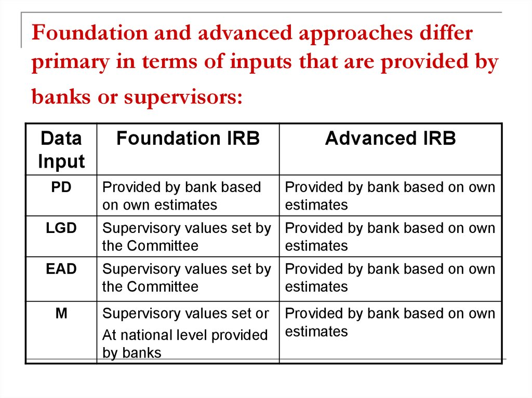

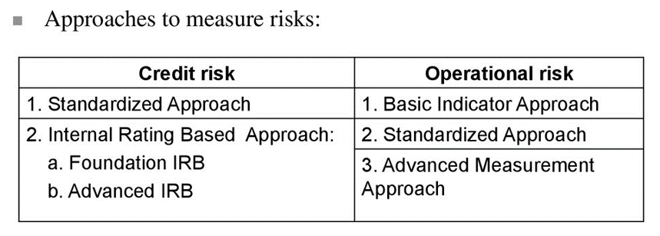

T5 EAD
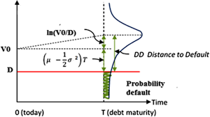
Credit model 1

Rating | UGD | Bond - outstanding | 1,000,000 Kč
AAA | 81% | Committed credit line (undrawn) | 500,000 Kč
AA | 78%
A | 73% | Rating | BBB
BBB | 69%
BB | 62% | UGD
B | 55% | EAD
CCC | 45%

T6 PD
 |  |  | Default point | Maximum
Company value | 19.57 | ST Liability | 5 | 8.38
Expected return | 6% | LT Liability | 15 | 20.38
Time | 1 | Default point | 12.5
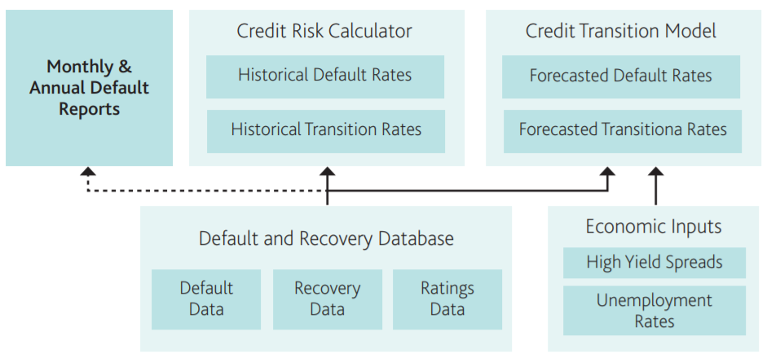
Volatility | 44.70%

Distance to default (DD)
Numerator
Denominator
DD
PD

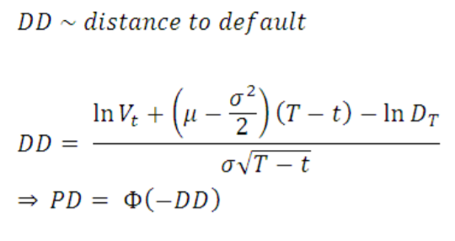

 |  |  |  |  | Source: Moody's

OpRA
 |  | 2019 | 2018 | 2017 | 3Y average
Interest earning assets | (IEA) | 1,922,822 | 1,839,346 | 1,726,120 | 1,829,429 |  | Question 1 | Determine the indicators ILDC, FC, uBI and SC
Interest income | (II) | 54,695 | 49,609 | 40,995 | 48,433
Interest expense | (IE) | 24,233 | 19,120 | 12,819 | 18,724 |  | Question 2 | Calculate Business Inicator and according to provided table select the correct BI Range
Dividends | (DI) | 2,369 | 1,702 | 2,225 | 2,099
Income from fees | (FI) | 15,439 | 16,044 | 15,853 | 15,779 |  | Question 3 | According to provided formulas determine the correct amount
Fee expenses | (FE) | 3,416 | 3,424 | 3,024 | 3,288
Other operating income | (OOI) | 2,957 | 960 | 443 | 1,453 |  | Question 4 | Quantify the loss component and loss multiplier
Other operating expenses | (OOE) | - | - | - | -
Net trading profit | PnLBB | 10,231 | 9,531 | 8,426 | 9,396 |  | Question 5 | Quantify the final capital risk charge for OpRIsk
Net non-trading profit | PnLTB | -1,523 | 5,494 | 3,453 | 2,475
Net profit |  | 8,708 | 15,025 | 11,879 | 11,871 |  | Question 6 | Why is uBI and BI equal?

ILDC |  | 31,808 | Interest, Lease and Dividend Component
FC |  | 11,871 | Financial Component
uBI |  | 60,910 | Unadjusted Business Indicator
SC |  | 17,232 | Services Component
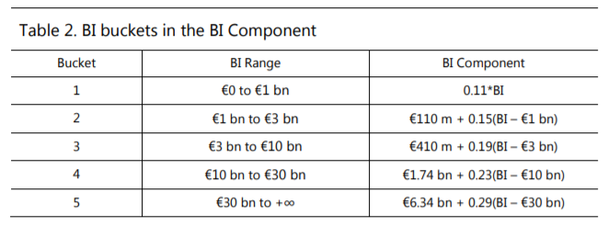
Business Inicator (BI) |  | 60,910
in MEUR

 |  |  | BI Component
Bucket 1 | BIC = 110 * BI
Bucket 2 | BIC = 110 +150 * (BI - 1)
Bucket 3 | BIC = 410 +190 * (BI - 3)
Bucket 4 | BIC = 1740 +230 * (BI - 10)
Bucket 5 | BIC = 6340 +230 * (BI - 30) |  | 14,008,817

Average loss in MEUR |  | 179
Average loss over 10 MEUR |  | 189
Average loss over 100 MEUR |  | 279

Loss component |  |  | 3,971

Internal Loss Multiplier | not for bucket 1! |  | 0.54149

Final capital charge in MEUR |  |  | 7,696 | 110+(BIC-110)*ILM |  | https://www.bis.org/bcbs/publ/d355.pdf

for comparison a bucket 1 bank in MEUR if it was allowed |  |  | 6,700 |  |  | (due to recent major changes in IFRS 16 Lease contracts, we abstract from leases amounts)

OpRisk
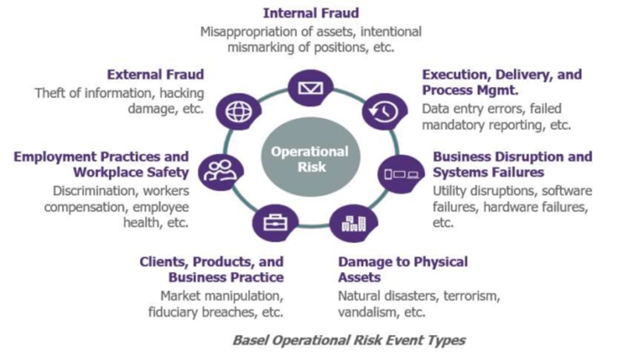

Examples of particular OpRisk events
ID | Date | Identified by | OpRisk incident description | Loss incurred
1 | 2019-10-11 | Line manager | Incorrect amount paid to the customer during a withdrawal | 100,000 Kč
2 | 2019-10-12 | Line manager | Amount transferred to a wrong recipient | 25,000 Kč
3 | 2019-10-13 | Line manager | Incorrectly approved transaction from a blocked account - repossession | 500,000 Kč
4 | 2019-10-14 | Line manager | Damage to bank's property | 200,000 Kč
5 | 2019-10-15 | Line manager | Safety occurrence - attempted robbery | 300,000 Kč
6 | 2019-10-16 | Worker in a business line | Product designed to avoid fulfilling requirements of another product | 2,000,000 Kč
7 | 2019-10-17 | Internal autit | Payment system failure | 5,000,000 Kč
8 | 2019-10-18 | Automated system check | Incorrect system setting - wrong valuation of a derivative | ?

 |  | BIA | Basic Indicator Approach | 15% of Gross income
 |  | TSA | The Standardized Approach | weighted average of gross income per business line
 |  | AMA | Advanced Measurement Approach | internal models - risk sensitive

